Data Repository Table - Raw
Raw Plant Performance Data
 | Volumetric Flow Meter 1 | Volumetric Flow Meter 2 | Pump Speed (RPM) | Pump Torque | Ambient Temperature | Pump Efficiency | Horse Power | PUMP FAILURE (1 or 0)
TIMEFRAME (DD/MM/YYYY) | 41.3 | 41.16 | 98 | 207 | 54 | 74.84 | 3.86 | 0
12/9/2014 0:00 | 42.4 | 41.39 | 92 | 212 | 46 | 75.25 | 3.71 | 0
12/9/2014 0:01 | 41.43 | 41.15 | 80 | 207 | 55 | 74.82 | 3.15 | 0
12/9/2014 0:02 | 42.21 | 40.93 | 83 | 190 | 49 | 74.42 | 3.00 | 0
12/9/2014 0:03 | 40.51 | 43.32 | 90 | 195 | 50 | 78.76 | 3.34 | 0
12/9/2014 0:04 | 42.14 | 40.01 | 92 | 220 | 47 | 72.75 | 3.85 | 0
12/9/2014 0:05 | 43.05 | 41.09 | 86 | 211 | 51 | 74.71 | 3.46 | 0
12/9/2014 0:06 | 40.82 | 41.44 | 98 | 196 | 54 | 75.35 | 3.66 | 0
12/9/2014 0:07 | 40.84 | 41.97 | 91 | 186 | 53 | 76.31 | 3.22 | 0
12/9/2014 0:08 | 40.25 | 41.16 | 83 | 189 | 45 | 74.84 | 2.99 | 0
12/9/2014 0:09 | 40.13 | 41.66 | 85 | 205 | 51 | 75.75 | 3.32 | 0
12/9/2014 0:10 | 43.37 | 42.77 | 82 | 204 | 54 | 77.76 | 3.19 | 0
12/9/2014 0:11 | 41.24 | 42.77 | 81 | 216 | 45 | 77.76 | 3.33 | 0
12/9/2014 0:12 | 43.4 | 43.3 | 88 | 188 | 49 | 78.73 | 3.15 | 0
12/9/2014 0:13 | 42.75 | 42.21 | 90 | 198 | 52 | 76.75 | 3.39 | 0
12/9/2014 0:14 | 40.17 | 42.37 | 88 | 184 | 45 | 77.04 | 3.08 | 0
12/9/2014 0:15 | 41.55 | 43.63 | 90 | 200 | 47 | 79.33 | 3.43 | 0
12/9/2014 0:16 | 42.02 | 41.58 | 90 | 193 | 55 | 75.60 | 3.31 | 0
12/9/2014 0:17 | 41.17 | 40.52 | 87 | 182 | 52 | 73.67 | 3.01 | 0
12/9/2014 0:18 | 41.84 | 42 | 83 | 193 | 51 | 76.36 | 3.05 | 0
12/9/2014 0:19 | 43.01 | 41.8 | 91 | 220 | 45 | 76.00 | 3.81 | 0
12/9/2014 0:20 | 41.19 | 42.71 | 93 | 215 | 48 | 77.65 | 3.81 | 0
12/9/2014 0:21 | 43.48 | 40.75 | 88 | 219 | 47 | 74.09 | 3.67 | 0
12/9/2014 0:22 | 42.74 | 41.16 | 82 | 206 | 46 | 74.84 | 3.22 | 0
12/9/2014 0:23 | 42 | 43.44 | 97 | 217 | 48 | 78.98 | 4.01 | 0
12/9/2014 0:24 | 41.3 | 40.45 | 83 | 192 | 51 | 73.55 | 3.03 | 0
12/9/2014 0:25 | 43.56 | 42.75 | 98 | 205 | 48 | 77.73 | 3.83 | 0
12/9/2014 0:26 | 41.16 | 41.58 | 82 | 214 | 52 | 75.60 | 3.34 | 0
12/9/2014 0:27 | 42.61 | 42.31 | 97 | 213 | 46 | 76.93 | 3.93 | 0
12/9/2014 0:28 | 41.17 | 41.08 | 92 | 211 | 55 | 74.69 | 3.70 | 0
12/9/2014 0:29 | 40.42 | 40.02 | 97 | 197 | 53 | 72.76 | 3.64 | 0
12/9/2014 0:30 | 41.45 | 40.64 | 81 | 218 | 45 | 73.89 | 3.36 | 0
12/9/2014 0:31 | 42.36 | 43.07 | 97 | 191 | 46 | 78.31 | 3.53 | 0
12/9/2014 0:32 | 42.76 | 42.19 | 95 | 185 | 46 | 76.71 | 3.35 | 0
12/9/2014 0:33 | 42.01 | 43.55 | 81 | 191 | 53 | 79.18 | 2.95 | 0
12/9/2014 0:34 | 40.05 | 42.98 | 90 | 194 | 50 | 78.15 | 3.32 | 0
12/9/2014 0:35 | 42.67 | 43.15 | 87 | 212 | 51 | 78.45 | 3.51 | 0
12/9/2014 0:36 | 42.5 | 40.18 | 84 | 190 | 46 | 73.05 | 3.04 | 0
12/9/2014 0:37 | 42.11 | 42.41 | 81 | 183 | 45 | 77.11 | 2.82 | 0
12/9/2014 0:38 | 42.59 | 41.43 | 81 | 189 | 52 | 75.33 | 2.91 | 0
12/9/2014 0:39 | 43.19 | 42.06 | 89 | 219 | 46 | 76.47 | 3.71 | 0
12/9/2014 0:40 | 43.98 | 43.48 | 81 | 199 | 55 | 79.05 | 3.07 | 0
12/9/2014 0:41 | 41.33 | 40.32 | 93 | 200 | 53 | 73.31 | 3.54 | 0
12/9/2014 0:42 | 42.79 | 40.76 | 93 | 209 | 48 | 74.11 | 3.70 | 0
12/9/2014 0:43 | 42.28 | 41.67 | 94 | 199 | 49 | 75.76 | 3.56 | 0
12/9/2014 0:44 | 40.43 | 41.01 | 91 | 217 | 54 | 74.56 | 3.76 | 0
12/9/2014 0:45 | 40.53 | 43.97 | 96 | 188 | 53 | 79.95 | 3.44 | 0
12/9/2014 0:46 | 42.81 | 43.67 | 96 | 201 | 49 | 79.40 | 3.67 | 0
12/9/2014 0:47 | 42.78 | 41.39 | 88 | 198 | 49 | 75.25 | 3.32 | 0
12/9/2014 0:48 | 41.49 | 40.23 | 81 | 191 | 53 | 73.15 | 2.95 | 0
...
Data Source | TIMEFRAME (DD/MM/YYYY) | Volumetric Flow Meter 1 | Volumetric Flow Meter 2 | Pump Speed (RPM) | Pump Torque | Ambient Temperature | Horse Power | Pump Efficiency | PUMP FAILURE (1 or 0)
Raw | 12/9/14 | 41.3 | 41.16 | 98 | 207 | 54 | 3.86 | 74.84 | 0
Raw | 12/9/14 | 42.4 | 41.39 | 92 | 212 | 46 | 3.71 | 75.25 | 0
Raw | 12/9/14 | 41.43 | 41.15 | 80 | 207 | 55 | 3.15 | 74.82 | 0
Raw | 12/9/14 | 42.21 | 40.93 | 83 | 190 | 49 | 3.00 | 74.42 | 0
Raw | 12/9/14 | 40.51 | 43.32 | 90 | 195 | 50 | 3.34 | 78.76 | 0
Raw | 12/9/14 | 42.14 | 40.01 | 92 | 220 | 47 | 3.85 | 72.75 | 0
Raw | 12/9/14 | 43.05 | 41.09 | 86 | 211 | 51 | 3.46 | 74.71 | 0
Raw | 12/9/14 | 40.82 | 41.44 | 98 | 196 | 54 | 3.66 | 75.35 | 0
Raw | 12/9/14 | 40.84 | 41.97 | 91 | 186 | 53 | 3.22 | 76.31 | 0
Raw | 12/9/14 | 40.25 | 41.16 | 83 | 189 | 45 | 2.99 | 74.84 | 0
Raw | 12/9/14 | 40.13 | 41.66 | 85 | 205 | 51 | 3.32 | 75.75 | 0
Raw | 12/9/14 | 43.37 | 42.77 | 82 | 204 | 54 | 3.19 | 77.76 | 0
Raw | 12/9/14 | 41.24 | 42.77 | 81 | 216 | 45 | 3.33 | 77.76 | 0
Raw | 12/9/14 | 43.4 | 43.3 | 88 | 188 | 49 | 3.15 | 78.73 | 0
Raw | 12/9/14 | 42.75 | 42.21 | 90 | 198 | 52 | 3.39 | 76.75 | 0
Raw | 12/9/14 | 40.17 | 42.37 | 88 | 184 | 45 | 3.08 | 77.04 | 0
Raw | 12/9/14 | 41.55 | 43.63 | 90 | 200 | 47 | 3.43 | 79.33 | 0
Raw | 12/9/14 | 42.02 | 41.58 | 90 | 193 | 55 | 3.31 | 75.60 | 0
Raw | 12/9/14 | 41.17 | 40.52 | 87 | 182 | 52 | 3.01 | 73.67 | 0
Raw | 12/9/14 | 41.84 | 42 | 83 | 193 | 51 | 3.05 | 76.36 | 0
Raw | 12/9/14 | 43.01 | 41.8 | 91 | 220 | 45 | 3.81 | 76.00 | 0
Raw | 12/9/14 | 41.19 | 42.71 | 93 | 215 | 48 | 3.81 | 77.65 | 0
Raw | 12/9/14 | 43.48 | 40.75 | 88 | 219 | 47 | 3.67 | 74.09 | 0
Raw | 12/9/14 | 42.74 | 41.16 | 82 | 206 | 46 | 3.22 | 74.84 | 0
Raw | 12/9/14 | 42 | 43.44 | 97 | 217 | 48 | 4.01 | 78.98 | 0
Raw | 12/9/14 | 41.3 | 40.45 | 83 | 192 | 51 | 3.03 | 73.55 | 0
Raw | 12/9/14 | 43.56 | 42.75 | 98 | 205 | 48 | 3.83 | 77.73 | 0
Raw | 12/9/14 | 41.16 | 41.58 | 82 | 214 | 52 | 3.34 | 75.60 | 0
Raw | 12/9/14 | 42.61 | 42.31 | 97 | 213 | 46 | 3.93 | 76.93 | 0
Raw | 12/9/14 | 41.17 | 41.08 | 92 | 211 | 55 | 3.70 | 74.69 | 0
Raw | 12/9/14 | 40.42 | 40.02 | 97 | 197 | 53 | 3.64 | 72.76 | 0
Raw | 12/9/14 | 41.45 | 40.64 | 81 | 218 | 45 | 3.36 | 73.89 | 0
Raw | 12/9/14 | 42.36 | 43.07 | 97 | 191 | 46 | 3.53 | 78.31 | 0
Raw | 12/9/14 | 42.76 | 42.19 | 95 | 185 | 46 | 3.35 | 76.71 | 0
Raw | 12/9/14 | 42.01 | 43.55 | 81 | 191 | 53 | 2.95 | 79.18 | 0
Raw | 12/9/14 | 40.05 | 42.98 | 90 | 194 | 50 | 3.32 | 78.15 | 0
Raw | 12/9/14 | 42.67 | 43.15 | 87 | 212 | 51 | 3.51 | 78.45 | 0
Raw | 12/9/14 | 42.5 | 40.18 | 84 | 190 | 46 | 3.04 | 73.05 | 0
Raw | 12/9/14 | 42.11 | 42.41 | 81 | 183 | 45 | 2.82 | 77.11 | 0
Raw | 12/9/14 | 42.59 | 41.43 | 81 | 189 | 52 | 2.91 | 75.33 | 0
Raw | 12/9/14 | 43.19 | 42.06 | 89 | 219 | 46 | 3.71 | 76.47 | 0
Raw | 12/9/14 | 43.98 | 43.48 | 81 | 199 | 55 | 3.07 | 79.05 | 0
Raw | 12/9/14 | 41.33 | 40.32 | 93 | 200 | 53 | 3.54 | 73.31 | 0
Raw | 12/9/14 | 42.79 | 40.76 | 93 | 209 | 48 | 3.70 | 74.11 | 0
Raw | 12/9/14 | 42.28 | 41.67 | 94 | 199 | 49 | 3.56 | 75.76 | 0
Raw | 12/9/14 | 40.43 | 41.01 | 91 | 217 | 54 | 3.76 | 74.56 | 0
Raw | 12/9/14 | 40.53 | 43.97 | 96 | 188 | 53 | 3.44 | 79.95 | 0
Raw | 12/9/14 | 42.81 | 43.67 | 96 | 201 | 49 | 3.67 | 79.40 | 0
Raw | 12/9/14 | 42.78 | 41.39 | 88 | 198 | 49 | 3.32 | 75.25 | 0
Raw | 12/9/14 | 41.49 | 40.23 | 81 | 191 | 53 | 2.95 | 73.15 | 0
Raw | 12/9/14 | 40 | 41.2 | 81 | 184 | 46 | 2.84 | 74.91 | 0
Raw | 12/9/14 | 43.12 | 43.65 | 88 | 207 | 45 | 3.47 | 79.36 | 0
Raw | 12/9/14 | 42.1 | 40.77 | 86 | 203 | 52 | 3.32 | 74.13 | 0
Raw | 12/9/14 | 40.48 | 42.97 | 82 | 214 | 52 | 3.34 | 78.13 | 0
Raw | 12/9/14 | 43.25 | 41.69 | 85 | 190 | 55 | 3.08 | 75.80 | 0
Raw | 12/9/14 | 40.47 | 43.39 | 81 | 208 | 54 | 3.21 | 78.89 | 0
Raw | 12/9/14 | 42.62 | 43.3 | 98 | 182 | 55 | 3.40 | 78.73 | 0
Raw | 12/9/14 | 43.32 | 42.56 | 90 | 192 | 46 | 3.29 | 77.38 | 0
Raw | 12/9/14 | 41.63 | 43.23 | 86 | 193 | 48 | 3.16 | 78.60 | 0
Raw | 12/9/14 | 40.9 | 40.94 | 80 | 209 | 55 | 3.18 | 74.44 | 0
Raw | 12/9/14 | 43.72 | 40.64 | 93 | 202 | 48 | 3.58 | 73.89 | 0
Raw | 12/9/14 | 43.86 | 42.77 | 81 | 188 | 48 | 2.90 | 77.76 | 0
Raw | 12/9/14 | 42.3 | 40.23 | 86 | 203 | 46 | 3.32 | 73.15 | 0
Raw | 12/9/14 | 41.42 | 40.68 | 88 | 213 | 49 | 3.57 | 73.96 | 0
Raw | 12/9/14 | 40.27 | 41.96 | 100 | 184 | 52 | 3.50 | 76.29 | 0
Raw | 12/9/14 | 43.65 | 42.45 | 80 | 213 | 51 | 3.24 | 77.18 | 0
Raw | 12/9/14 | 41.36 | 41.38 | 88 | 186 | 53 | 3.12 | 75.24 | 0
Raw | 12/9/14 | 40.13 | 40.26 | 87 | 191 | 47 | 3.16 | 73.20 | 0
Raw | 12/9/14 | 42.87 | 43.16 | 95 | 191 | 49 | 3.45 | 78.47 | 0
Raw | 12/9/14 | 41.9 | 42.01 | 84 | 183 | 46 | 2.93 | 76.38 | 0
Raw | 12/9/14 | 41.1 | 43.58 | 85 | 212 | 53 | 3.43 | 79.24 | 0
Raw | 12/9/14 | 42.66 | 42.73 | 83 | 201 | 54 | 3.18 | 77.69 | 0
Raw | 12/9/14 | 41.69 | 41.1 | 85 | 184 | 46 | 2.98 | 74.73 | 0
Raw | 12/9/14 | 41.22 | 41.05 | 81 | 214 | 47 | 3.30 | 74.64 | 0
Raw | 12/9/14 | 40.19 | 41.11 | 85 | 218 | 51 | 3.53 | 74.75 | 0
Raw | 12/9/14 | 42.3 | 43.2 | 91 | 188 | 47 | 3.26 | 78.55 | 0
Raw | 12/9/14 | 41.25 | 40.14 | 82 | 210 | 55 | 3.28 | 72.98 | 0
Raw | 12/9/14 | 40.97 | 43.85 | 85 | 184 | 50 | 2.98 | 79.73 | 0
Raw | 12/9/14 | 42.64 | 42.73 | 95 | 211 | 54 | 3.82 | 77.69 | 0
Raw | 12/9/14 | 42.41 | 40.34 | 81 | 214 | 55 | 3.30 | 73.35 | 0
Raw | 12/9/14 | 42.6 | 43.69 | 92 | 220 | 53 | 3.85 | 79.44 | 0
Raw | 12/9/14 | 41.92 | 40.19 | 100 | 199 | 46 | 3.79 | 73.07 | 0
Raw | 12/9/14 | 41.81 | 40.89 | 84 | 193 | 46 | 3.09 | 74.35 | 0
Raw | 12/9/14 | 41.15 | 43.71 | 88 | 186 | 46 | 3.12 | 79.47 | 0
Raw | 12/9/14 | 43.94 | 43.2 | 97 | 212 | 52 | 3.92 | 78.55 | 0
Raw | 12/9/14 | 42.72 | 42.58 | 88 | 194 | 55 | 3.25 | 77.42 | 0
Raw | 12/9/14 | 43.35 | 42.98 | 93 | 192 | 54 | 3.40 | 78.15 | 0
Raw | 12/9/14 | 41.56 | 41.23 | 90 | 203 | 45 | 3.48 | 74.96 | 0
Raw | 12/9/14 | 43.7 | 40.34 | 97 | 188 | 48 | 3.47 | 73.35 | 0
Raw | 12/9/14 | 42.85 | 43.4 | 96 | 185 | 53 | 3.38 | 78.91 | 0
Raw | 12/9/14 | 40.64 | 43.66 | 88 | 199 | 45 | 3.33 | 79.38 | 0
Raw | 12/9/14 | 42 | 40.92 | 93 | 219 | 52 | 3.88 | 74.40 | 0
Raw | 12/9/14 | 43.39 | 41.6 | 89 | 217 | 55 | 3.68 | 75.64 | 0
Raw | 12/9/14 | 40.85 | 40.2 | 91 | 218 | 55 | 3.78 | 73.09 | 0
Raw | 12/9/14 | 41.75 | 42.99 | 95 | 187 | 47 | 3.38 | 78.16 | 0
Raw | 12/9/14 | 42.91 | 40.87 | 85 | 201 | 47 | 3.25 | 74.31 | 0
Raw | 12/9/14 | 43.07 | 41.37 | 84 | 197 | 48 | 3.15 | 75.22 | 0
Raw | 12/9/14 | 40.45 | 43.29 | 92 | 210 | 55 | 3.68 | 78.71 | 0
Raw | 12/9/14 | 41.13 | 40.61 | 93 | 209 | 48 | 3.70 | 73.84 | 0
Raw | 12/9/14 | 43.69 | 41.85 | 85 | 198 | 50 | 3.20 | 76.09 | 0
Raw | 12/9/14 | 40.27 | 40.44 | 97 | 213 | 49 | 3.93 | 73.53 | 0
Raw | 12/9/14 | 43.12 | 43.51 | 100 | 195 | 53 | 3.71 | 79.11 | 0
Raw | 12/9/14 | 41.4 | 41.27 | 94 | 194 | 48 | 3.47 | 75.04 | 0
Raw | 12/9/14 | 41.89 | 43.89 | 93 | 205 | 46 | 3.63 | 79.80 | 0
Raw | 12/9/14 | 43.9 | 41.13 | 83 | 216 | 50 | 3.41 | 74.78 | 0
Raw | 12/9/14 | 41.96 | 43.07 | 93 | 181 | 51 | 3.21 | 78.31 | 0
Raw | 12/9/14 | 42.37 | 42.78 | 96 | 183 | 54 | 3.35 | 77.78 | 0
Raw | 12/9/14 | 42.83 | 40.59 | 93 | 195 | 49 | 3.45 | 73.80 | 0
Raw | 12/9/14 | 42.02 | 41.52 | 87 | 190 | 45 | 3.15 | 75.49 | 0
Raw | 12/9/14 | 41.73 | 41.84 | 88 | 212 | 50 | 3.55 | 76.07 | 0
Raw | 12/9/14 | 40.21 | 43.07 | 97 | 207 | 50 | 3.82 | 78.31 | 0
Raw | 12/9/14 | 43.4 | 41.58 | 98 | 184 | 55 | 3.43 | 75.60 | 0
Raw | 12/9/14 | 43.77 | 40.25 | 89 | 218 | 48 | 3.69 | 73.18 | 0
Raw | 12/9/14 | 40.14 | 43.79 | 95 | 215 | 46 | 3.89 | 79.62 | 0
Raw | 12/9/14 | 43.36 | 40.89 | 84 | 214 | 49 | 3.42 | 74.35 | 0
Raw | 12/9/14 | 40.99 | 42.01 | 95 | 195 | 50 | 3.53 | 76.38 | 0
Raw | 12/9/14 | 41.01 | 40.77 | 82 | 218 | 49 | 3.40 | 74.13 | 0
Raw | 12/9/14 | 42.96 | 43.01 | 99 | 184 | 49 | 3.47 | 78.20 | 0
Raw | 12/9/14 | 41.01 | 41.69 | 95 | 219 | 45 | 3.96 | 75.80 | 0
Raw | 12/9/14 | 41.03 | 40.87 | 93 | 210 | 49 | 3.72 | 74.31 | 0
Raw | 12/9/14 | 40.35 | 43.2 | 95 | 203 | 52 | 3.67 | 78.55 | 0
Raw | 12/9/14 | 43.59 | 40.8 | 93 | 180 | 54 | 3.19 | 74.18 | 0
Raw | 12/9/14 | 43.4 | 43.28 | 82 | 192 | 48 | 3.00 | 78.69 | 0
Raw | 12/9/14 | 43.11 | 40.85 | 81 | 219 | 45 | 3.38 | 74.27 | 0
Raw | 12/9/14 | 42.69 | 42.49 | 88 | 185 | 52 | 3.10 | 77.25 | 0
Raw | 12/9/14 | 43.71 | 43.55 | 81 | 201 | 54 | 3.10 | 79.18 | 0
Raw | 12/9/14 | 41.5 | 40.06 | 89 | 198 | 46 | 3.36 | 72.84 | 0
Raw | 12/9/14 | 41.62 | 41.56 | 92 | 202 | 46 | 3.54 | 75.56 | 0
Raw | 12/9/14 | 43.88 | 40.61 | 94 | 193 | 48 | 3.45 | 73.84 | 0
Raw | 12/9/14 | 40.38 | 42.13 | 96 | 198 | 55 | 3.62 | 76.60 | 0
Raw | 12/9/14 | 40.12 | 40.31 | 84 | 204 | 49 | 3.26 | 73.29 | 0
Raw | 12/9/14 | 43.89 | 40.7 | 80 | 196 | 53 | 2.99 | 74.00 | 0
Raw | 12/9/14 | 40.61 | 43.71 | 94 | 213 | 52 | 3.81 | 79.47 | 0
Raw | 12/9/14 | 40.11 | 40.87 | 84 | 189 | 54 | 3.02 | 74.31 | 0
Raw | 12/9/14 | 42.22 | 43.94 | 97 | 180 | 46 | 3.32 | 79.89 | 0
Raw | 12/9/14 | 42.34 | 40.07 | 90 | 212 | 45 | 3.63 | 72.85 | 0
Raw | 12/9/14 | 41.34 | 42.49 | 91 | 204 | 45 | 3.53 | 77.25 | 0
Raw | 12/9/14 | 41.29 | 41.49 | 82 | 219 | 46 | 3.42 | 75.44 | 0
Raw | 12/9/14 | 41.96 | 41.16 | 92 | 195 | 55 | 3.42 | 74.84 | 0
Raw | 12/9/14 | 41.38 | 43.18 | 98 | 195 | 51 | 3.64 | 78.51 | 0
Raw | 12/9/14 | 42.83 | 42.56 | 86 | 210 | 54 | 3.44 | 77.38 | 0
Raw | 12/9/14 | 43.83 | 43.97 | 99 | 180 | 48 | 3.39 | 79.95 | 0
Raw | 12/9/14 | 41.47 | 40.48 | 93 | 181 | 55 | 3.21 | 73.60 | 0
Raw | 12/9/14 | 41.17 | 43.3 | 93 | 218 | 49 | 3.86 | 78.73 | 0
Raw | 12/9/14 | 40.98 | 42.15 | 89 | 181 | 51 | 3.07 | 76.64 | 0
Raw | 12/9/14 | 41.3 | 40.73 | 89 | 217 | 49 | 3.68 | 74.05 | 0
Raw | 12/9/14 | 41.39 | 41.16 | 83 | 185 | 48 | 2.92 | 74.84 | 0
Raw | 12/9/14 | 42.84 | 40.99 | 92 | 196 | 50 | 3.43 | 74.53 | 0
Raw | 12/9/14 | 43.16 | 41.62 | 81 | 212 | 51 | 3.27 | 75.67 | 0
Raw | 12/9/14 | 42.44 | 40.77 | 94 | 180 | 45 | 3.22 | 74.13 | 0
Raw | 12/9/14 | 42.59 | 40.29 | 85 | 207 | 49 | 3.35 | 73.25 | 0
Raw | 12/9/14 | 40.87 | 42.45 | 90 | 199 | 45 | 3.41 | 77.18 | 0
Raw | 12/9/14 | 41.58 | 43.49 | 85 | 198 | 46 | 3.20 | 79.07 | 0
Raw | 12/9/14 | 40.32 | 40.75 | 87 | 185 | 45 | 3.06 | 74.09 | 0
Raw | 12/9/14 | 41.53 | 41.02 | 85 | 205 | 53 | 3.32 | 74.58 | 0
Raw | 12/9/14 | 40.49 | 41.93 | 91 | 213 | 52 | 3.69 | 76.24 | 0
Raw | 12/9/14 | 42.11 | 41.74 | 90 | 208 | 47 | 3.56 | 75.89 | 0
Raw | 12/9/14 | 41.15 | 43.66 | 100 | 215 | 45 | 4.09 | 79.38 | 0
Raw | 12/9/14 | 44 | 41.21 | 82 | 203 | 48 | 3.17 | 74.93 | 0
Raw | 12/9/14 | 42.33 | 42.7 | 96 | 195 | 48 | 3.56 | 77.64 | 0
Raw | 12/9/14 | 40.13 | 40.83 | 97 | 212 | 45 | 3.92 | 74.24 | 0
Raw | 12/9/14 | 40.35 | 41.7 | 83 | 219 | 46 | 3.46 | 75.82 | 0
Raw | 12/9/14 | 42.85 | 42.9 | 87 | 216 | 53 | 3.58 | 78.00 | 0
Raw | 12/9/14 | 43.78 | 41.59 | 96 | 197 | 45 | 3.60 | 75.62 | 0
Raw | 12/9/14 | 42.51 | 42.83 | 86 | 212 | 50 | 3.47 | 77.87 | 0
Raw | 12/9/14 | 40 | 42.95 | 85 | 202 | 46 | 3.27 | 78.09 | 0
Raw | 12/9/14 | 40.81 | 40.89 | 89 | 194 | 47 | 3.29 | 74.35 | 0
Raw | 12/9/14 | 41.31 | 42.51 | 80 | 191 | 50 | 2.91 | 77.29 | 0
Raw | 12/9/14 | 40.78 | 42.2 | 94 | 214 | 52 | 3.83 | 76.73 | 0
Raw | 12/9/14 | 42.4 | 40.49 | 89 | 210 | 45 | 3.56 | 73.62 | 0
Raw | 12/9/14 | 42.83 | 40.76 | 86 | 187 | 47 | 3.06 | 74.11 | 0
Raw | 12/9/14 | 42.96 | 40.13 | 96 | 215 | 49 | 3.93 | 72.96 | 0
Raw | 12/9/14 | 40.36 | 43.44 | 80 | 194 | 47 | 2.96 | 78.98 | 0
Raw | 12/9/14 | 42.42 | 43 | 82 | 185 | 55 | 2.89 | 78.18 | 0
Raw | 12/9/14 | 40.56 | 41.72 | 96 | 205 | 53 | 3.75 | 75.85 | 0
Raw | 12/9/14 | 43.74 | 42.94 | 85 | 201 | 47 | 3.25 | 78.07 | 0
Raw | 12/9/14 | 41.79 | 40.3 | 86 | 219 | 52 | 3.59 | 73.27 | 0
Raw | 12/9/14 | 43.9 | 42.57 | 89 | 197 | 54 | 3.34 | 77.40 | 0
Raw | 12/9/14 | 41.67 | 43.35 | 83 | 205 | 45 | 3.24 | 78.82 | 0
Raw | 12/9/14 | 40.33 | 43.91 | 92 | 180 | 47 | 3.15 | 79.84 | 0
Raw | 12/9/14 | 42.29 | 43.43 | 92 | 208 | 49 | 3.64 | 78.96 | 0
Raw | 12/9/14 | 41.62 | 40.19 | 89 | 201 | 51 | 3.41 | 73.07 | 0
Raw | 12/9/14 | 40.44 | 43 | 99 | 214 | 46 | 4.03 | 78.18 | 0
Raw | 12/9/14 | 43.22 | 42.66 | 98 | 199 | 47 | 3.71 | 77.56 | 0
Raw | 12/9/14 | 42.9 | 43.01 | 90 | 201 | 47 | 3.44 | 78.20 | 0
Raw | 12/9/14 | 40.71 | 42.59 | 84 | 209 | 54 | 3.34 | 77.44 | 0
Raw | 12/9/14 | 41.07 | 41.32 | 99 | 200 | 46 | 3.77 | 75.13 | 0
Raw | 12/9/14 | 42.58 | 42.84 | 98 | 185 | 52 | 3.45 | 77.89 | 0
Raw | 12/9/14 | 40.27 | 42.97 | 96 | 193 | 54 | 3.53 | 78.13 | 0
Raw | 12/9/14 | 43.35 | 40.46 | 90 | 212 | 46 | 3.63 | 73.56 | 0
Raw | 12/9/14 | 43.85 | 43.47 | 90 | 206 | 53 | 3.53 | 79.04 | 0
Raw | 12/9/14 | 44 | 42.72 | 80 | 217 | 52 | 3.31 | 77.67 | 0
Raw | 12/9/14 | 41.72 | 41.16 | 88 | 198 | 55 | 3.32 | 74.84 | 0
Raw | 12/9/14 | 43.59 | 42.4 | 96 | 194 | 55 | 3.55 | 77.09 | 0
Raw | 12/9/14 | 42.16 | 41.26 | 90 | 194 | 48 | 3.32 | 75.02 | 0
Raw | 12/9/14 | 42.92 | 42.75 | 93 | 180 | 50 | 3.19 | 77.73 | 0
Raw | 12/9/14 | 40.98 | 43.18 | 81 | 207 | 51 | 3.19 | 78.51 | 0
Raw | 12/9/14 | 41.01 | 40.81 | 95 | 217 | 50 | 3.93 | 74.20 | 0
Raw | 12/9/14 | 40.04 | 41.66 | 91 | 186 | 52 | 3.22 | 75.75 | 0
Raw | 12/9/14 | 43.95 | 43.06 | 91 | 181 | 50 | 3.14 | 78.29 | 0
Raw | 12/9/14 | 43.7 | 42.52 | 91 | 205 | 49 | 3.55 | 77.31 | 0
Raw | 12/9/14 | 40.92 | 43.3 | 95 | 218 | 49 | 3.94 | 78.73 | 0
Raw | 12/9/14 | 41.8 | 43.3 | 81 | 189 | 48 | 2.91 | 78.73 | 0
Raw | 12/9/14 | 41.71 | 40.19 | 97 | 191 | 45 | 3.53 | 73.07 | 0
Raw | 12/9/14 | 43.04 | 41.93 | 96 | 208 | 51 | 3.80 | 76.24 | 0
Raw | 12/9/14 | 41.08 | 42.32 | 90 | 203 | 47 | 3.48 | 76.95 | 0
Raw | 12/9/14 | 43.93 | 40.04 | 89 | 181 | 54 | 3.07 | 72.80 | 0
Raw | 12/9/14 | 40.93 | 40.32 | 85 | 211 | 46 | 3.41 | 73.31 | 0
Raw | 12/9/14 | 41.9 | 40.62 | 93 | 213 | 45 | 3.77 | 73.85 | 0
Raw | 12/9/14 | 42.65 | 43.31 | 85 | 195 | 50 | 3.16 | 78.75 | 0
Raw | 12/9/14 | 40.06 | 42.41 | 80 | 218 | 54 | 3.32 | 77.11 | 0
Raw | 12/9/14 | 41.59 | 41.29 | 84 | 214 | 54 | 3.42 | 75.07 | 0
Raw | 12/9/14 | 40.14 | 40.39 | 80 | 189 | 47 | 2.88 | 73.44 | 0
Raw | 12/9/14 | 43.69 | 43.6 | 88 | 190 | 50 | 3.18 | 79.27 | 0
Raw | 12/9/14 | 41.73 | 43.18 | 83 | 180 | 55 | 2.84 | 78.51 | 0
Raw | 12/9/14 | 43.49 | 40.16 | 81 | 217 | 48 | 3.35 | 73.02 | 0
Raw | 12/9/14 | 41.74 | 40.67 | 82 | 212 | 49 | 3.31 | 73.95 | 0
Raw | 12/9/14 | 41.83 | 42.73 | 83 | 208 | 48 | 3.29 | 77.69 | 0
Raw | 12/9/14 | 40.75 | 40.54 | 85 | 207 | 48 | 3.35 | 73.71 | 0
Raw | 12/9/14 | 42.33 | 40.18 | 100 | 180 | 47 | 3.43 | 73.05 | 0
Raw | 12/9/14 | 42.45 | 41.96 | 94 | 219 | 53 | 3.92 | 76.29 | 0
Raw | 12/9/14 | 42.43 | 41.12 | 80 | 212 | 47 | 3.23 | 74.76 | 0
Raw | 12/9/14 | 43.08 | 42.53 | 90 | 184 | 50 | 3.15 | 77.33 | 0
Raw | 12/9/14 | 40.37 | 42.61 | 82 | 181 | 47 | 2.83 | 77.47 | 0
Raw | 12/9/14 | 43.14 | 40.27 | 86 | 213 | 45 | 3.49 | 73.22 | 0
Raw | 12/9/14 | 41.21 | 43.3 | 93 | 180 | 51 | 3.19 | 78.73 | 0
Raw | 12/9/14 | 42.53 | 43.6 | 95 | 190 | 49 | 3.44 | 79.27 | 0
Raw | 12/9/14 | 43.12 | 41.51 | 80 | 180 | 46 | 2.74 | 75.47 | 0
Raw | 12/9/14 | 42.9 | 41.92 | 98 | 212 | 55 | 3.96 | 76.22 | 0
Raw | 12/9/14 | 43.89 | 40.07 | 86 | 181 | 46 | 2.96 | 72.85 | 0
Raw | 12/9/14 | 41.81 | 43.64 | 95 | 203 | 51 | 3.67 | 79.35 | 0
Raw | 12/9/14 | 42.4 | 41.26 | 94 | 212 | 55 | 3.79 | 75.02 | 0
Raw | 12/9/14 | 43.88 | 42.19 | 93 | 219 | 53 | 3.88 | 76.71 | 0
Raw | 12/9/14 | 41.54 | 40.01 | 96 | 196 | 47 | 3.58 | 72.75 | 0
Raw | 12/9/14 | 43.17 | 42.61 | 92 | 186 | 49 | 3.26 | 77.47 | 0
Raw | 12/9/14 | 43.1 | 42.32 | 84 | 199 | 46 | 3.18 | 76.95 | 0
Raw | 12/9/14 | 42.52 | 40.04 | 84 | 218 | 45 | 3.49 | 72.80 | 0
Raw | 12/9/14 | 41.95 | 40.34 | 95 | 193 | 46 | 3.49 | 73.35 | 0
Raw | 12/9/14 | 43.91 | 40.94 | 98 | 193 | 51 | 3.60 | 74.44 | 0
Raw | 12/9/14 | 41.45 | 43.5 | 87 | 202 | 47 | 3.35 | 79.09 | 0
Raw | 12/9/14 | 41.51 | 41.63 | 84 | 183 | 45 | 2.93 | 75.69 | 0
Raw | 12/9/14 | 41.08 | 40.58 | 88 | 197 | 55 | 3.30 | 73.78 | 0
Raw | 12/9/14 | 43.58 | 40.17 | 94 | 220 | 45 | 3.94 | 73.04 | 0
Raw | 12/9/14 | 42.65 | 44.37 | 97 | 224 | 55 | 4.14 | 77.55 | 0
Raw | 12/9/14 | 43.58 | 44.42 | 99 | 232 | 54 | 4.37 | 79.24 | 0
Raw | 12/9/14 | 42.07 | 44.35 | 104 | 222 | 52 | 4.40 | 76.49 | 0
Raw | 12/9/14 | 42.28 | 44.39 | 102 | 236 | 54 | 4.58 | 76.87 | 0
Raw | 12/9/14 | 43.88 | 42.29 | 99 | 240 | 53 | 4.52 | 79.78 | 0
Raw | 12/9/14 | 44.61 | 42.28 | 103 | 240 | 54 | 4.71 | 81.11 | 0
Raw | 12/9/14 | 43.14 | 44.75 | 97 | 240 | 53 | 4.43 | 78.44 | 0
Raw | 12/9/14 | 42.04 | 42.12 | 98 | 232 | 53 | 4.33 | 76.44 | 0
Raw | 12/9/14 | 42.85 | 42.82 | 98 | 233 | 52 | 4.35 | 77.91 | 0
Raw | 12/9/14 | 43.49 | 43.05 | 97 | 227 | 52 | 4.19 | 79.07 | 0
Raw | 12/9/14 | 44.54 | 43.41 | 100 | 238 | 54 | 4.53 | 80.98 | 0
Raw | 12/9/14 | 43.46 | 44.16 | 100 | 222 | 55 | 4.23 | 79.02 | 0
Raw | 12/9/14 | 42.91 | 42.94 | 100 | 233 | 55 | 4.44 | 78.02 | 0
Raw | 12/9/14 | 42.65 | 42.02 | 98 | 236 | 55 | 4.40 | 77.55 | 0
Raw | 12/9/14 | 44.69 | 42.07 | 98 | 223 | 53 | 4.16 | 81.25 | 0
Raw | 12/9/14 | 42.22 | 43.72 | 102 | 233 | 53 | 4.53 | 76.76 | 0
Raw | 12/9/14 | 43.75 | 44.51 | 99 | 227 | 55 | 4.28 | 79.55 | 0
Raw | 12/9/14 | 43.97 | 42.02 | 98 | 236 | 55 | 4.40 | 79.95 | 0
Raw | 12/9/14 | 42.27 | 45 | 102 | 235 | 53 | 4.56 | 76.85 | 0
Raw | 12/9/14 | 43.68 | 44.81 | 96 | 224 | 55 | 4.09 | 79.42 | 0
Raw | 12/9/14 | 42.02 | 43.48 | 102 | 220 | 54 | 4.27 | 76.40 | 0
Raw | 12/9/14 | 43.44 | 43.82 | 95 | 235 | 52 | 4.25 | 78.98 | 0
Raw | 12/9/14 | 42.64 | 42.38 | 103 | 221 | 54 | 4.33 | 77.53 | 0
Raw | 12/9/14 | 42.13 | 43.05 | 100 | 221 | 54 | 4.21 | 76.60 | 0
Raw | 12/9/14 | 43.02 | 44.53 | 102 | 238 | 53 | 4.62 | 78.22 | 0
Raw | 12/9/14 | 44.66 | 42.45 | 100 | 230 | 55 | 4.38 | 81.20 | 0
Raw | 12/9/14 | 42.69 | 44.7 | 95 | 227 | 53 | 4.11 | 77.62 | 0
Raw | 12/9/14 | 42.94 | 43.45 | 102 | 221 | 53 | 4.29 | 78.07 | 0
Raw | 12/9/14 | 43.31 | 42.27 | 95 | 239 | 54 | 4.32 | 78.75 | 0
Raw | 12/9/14 | 43.37 | 42.3 | 104 | 238 | 52 | 4.71 | 78.85 | 0
Raw | 12/9/14 | 44.29 | 44.22 | 105 | 230 | 53 | 4.60 | 80.53 | 0
Raw | 12/9/14 | 44.88 | 44.8 | 105 | 226 | 55 | 4.52 | 81.60 | 0
Raw | 12/9/14 | 44.07 | 42.2 | 98 | 221 | 53 | 4.12 | 80.13 | 0
Raw | 12/9/14 | 44.87 | 43.59 | 96 | 222 | 55 | 4.06 | 81.58 | 0
Raw | 12/9/14 | 43.4 | 44.79 | 96 | 231 | 55 | 4.22 | 78.91 | 0
Raw | 12/9/14 | 43.48 | 43.5 | 98 | 240 | 52 | 4.48 | 79.05 | 0
Raw | 12/9/14 | 44.69 | 42.84 | 96 | 230 | 54 | 4.20 | 81.25 | 0
Raw | 12/9/14 | 43.84 | 44.94 | 100 | 223 | 52 | 4.25 | 79.71 | 0
Raw | 12/9/14 | 42.71 | 42.05 | 101 | 221 | 54 | 4.25 | 77.65 | 0
Raw | 12/9/14 | 43.62 | 44.46 | 97 | 222 | 53 | 4.10 | 79.31 | 0
Raw | 12/9/14 | 42.57 | 42.1 | 99 | 233 | 54 | 4.39 | 77.40 | 0
Raw | 12/9/14 | 42.2 | 43.21 | 102 | 222 | 52 | 4.31 | 76.73 | 0
Raw | 12/9/14 | 43.25 | 42.32 | 95 | 235 | 54 | 4.25 | 78.64 | 0
Raw | 12/9/14 | 42.09 | 40.56 | 97 | 233 | 52 | 4.30 | 76.53 | 0
Raw | 12/9/14 | 43.72 | 40.17 | 89 | 199 | 50 | 3.37 | 73.04 | 0
Raw | 12/9/14 | 41.22 | 41.57 | 89 | 199 | 49 | 3.37 | 75.58 | 0
Raw | 12/9/14 | 41.99 | 41.01 | 83 | 207 | 55 | 3.27 | 74.56 | 0
Raw | 12/9/14 | 43.42 | 41.6 | 88 | 220 | 50 | 3.69 | 75.64 | 0
Raw | 12/9/14 | 40.89 | 40.73 | 90 | 191 | 54 | 3.27 | 74.05 | 0
Raw | 12/9/14 | 42.75 | 42.84 | 97 | 186 | 53 | 3.44 | 77.89 | 0
Raw | 12/9/14 | 40.01 | 41 | 84 | 215 | 54 | 3.44 | 74.55 | 0
Raw | 12/9/14 | 41.7 | 40.08 | 88 | 200 | 55 | 3.35 | 72.87 | 0
Raw | 12/9/14 | 43.77 | 41.67 | 97 | 212 | 47 | 3.92 | 75.76 | 0
Raw | 12/9/14 | 41.56 | 40.13 | 89 | 220 | 55 | 3.73 | 72.96 | 0
Raw | 12/9/14 | 43.74 | 40.46 | 84 | 211 | 51 | 3.37 | 73.56 | 0
Raw | 12/9/14 | 42.59 | 40.46 | 85 | 203 | 46 | 3.29 | 73.56 | 0
Raw | 12/9/14 | 41.8 | 40.13 | 91 | 203 | 46 | 3.52 | 72.96 | 0
Raw | 12/9/14 | 42.45 | 40.68 | 85 | 200 | 45 | 3.24 | 73.96 | 0
Raw | 12/9/14 | 44 | 42.81 | 95 | 210 | 47 | 3.80 | 77.84 | 0
Raw | 12/9/14 | 40.14 | 41.35 | 91 | 180 | 53 | 3.12 | 75.18 | 0
Raw | 12/9/14 | 43.35 | 41.65 | 82 | 220 | 51 | 3.43 | 75.73 | 0
Raw | 12/9/14 | 41.35 | 43.71 | 86 | 211 | 54 | 3.46 | 79.47 | 0
Raw | 12/9/14 | 42.63 | 44 | 91 | 204 | 53 | 3.53 | 80.00 | 0
Raw | 12/9/14 | 42.9 | 42.98 | 87 | 211 | 53 | 3.50 | 78.15 | 0
Raw | 12/9/14 | 42.7 | 40.39 | 88 | 217 | 47 | 3.64 | 73.44 | 0
Raw | 12/9/14 | 42.98 | 41.74 | 100 | 182 | 54 | 3.47 | 75.89 | 0
Raw | 12/9/14 | 41.91 | 40.06 | 90 | 206 | 52 | 3.53 | 72.84 | 0
Raw | 12/9/14 | 40.49 | 41.93 | 91 | 218 | 50 | 3.78 | 76.24 | 0
Raw | 12/9/14 | 40.96 | 40.68 | 89 | 180 | 48 | 3.05 | 73.96 | 0
Raw | 12/9/14 | 41.91 | 43.35 | 94 | 182 | 51 | 3.26 | 78.82 | 0
Raw | 12/9/14 | 42.87 | 40.2 | 92 | 214 | 55 | 3.75 | 73.09 | 0
Raw | 12/9/14 | 40.52 | 40.22 | 89 | 213 | 53 | 3.61 | 73.13 | 0
Raw | 12/9/14 | 41.91 | 41.64 | 97 | 216 | 50 | 3.99 | 75.71 | 0
Raw | 12/9/14 | 43.8 | 41.59 | 80 | 192 | 48 | 2.92 | 75.62 | 0
Raw | 12/9/14 | 40.65 | 40.43 | 97 | 217 | 55 | 4.01 | 73.51 | 0
Raw | 12/9/14 | 43.44 | 41.85 | 96 | 192 | 46 | 3.51 | 76.09 | 0
Raw | 12/9/14 | 41.56 | 40.7 | 84 | 219 | 52 | 3.50 | 74.00 | 0
Raw | 12/9/14 | 43.17 | 41.98 | 86 | 210 | 47 | 3.44 | 76.33 | 0
Raw | 12/9/14 | 42.12 | 43.52 | 88 | 187 | 52 | 3.13 | 79.13 | 0
Raw | 12/9/14 | 40.65 | 43.47 | 97 | 193 | 52 | 3.56 | 79.04 | 0
Raw | 12/9/14 | 40.82 | 40.74 | 94 | 198 | 52 | 3.54 | 74.07 | 0
Raw | 12/9/14 | 43.39 | 41.08 | 95 | 212 | 46 | 3.83 | 74.69 | 0
Raw | 12/9/14 | 40.03 | 43.55 | 89 | 182 | 54 | 3.08 | 79.18 | 0
Raw | 12/9/14 | 40.41 | 41.5 | 89 | 186 | 53 | 3.15 | 75.45 | 0
Raw | 12/9/14 | 43.78 | 40.2 | 90 | 190 | 54 | 3.26 | 73.09 | 0
Raw | 12/9/14 | 40.31 | 43.58 | 90 | 193 | 52 | 3.31 | 79.24 | 0
Raw | 12/9/14 | 41.81 | 43.87 | 100 | 209 | 50 | 3.98 | 79.76 | 0
Raw | 12/9/14 | 43.24 | 40.47 | 98 | 211 | 55 | 3.94 | 73.58 | 0
Raw | 12/9/14 | 42.02 | 40.66 | 85 | 182 | 47 | 2.95 | 73.93 | 0
Raw | 12/9/14 | 40.25 | 40.56 | 81 | 196 | 51 | 3.02 | 73.75 | 0
Raw | 12/9/14 | 40.74 | 43.8 | 91 | 183 | 55 | 3.17 | 79.64 | 0
Raw | 12/9/14 | 42.22 | 41.8 | 98 | 187 | 55 | 3.49 | 76.00 | 0
Raw | 12/9/14 | 42.15 | 43.71 | 89 | 180 | 55 | 3.05 | 79.47 | 0
Raw | 12/9/14 | 41.67 | 43.31 | 85 | 190 | 46 | 3.08 | 78.75 | 0
Raw | 12/9/14 | 41.98 | 40.06 | 94 | 185 | 50 | 3.31 | 72.84 | 0
Raw | 12/9/14 | 40.97 | 43.22 | 99 | 206 | 54 | 3.88 | 78.58 | 0
Raw | 12/9/14 | 42.96 | 42.85 | 98 | 183 | 54 | 3.41 | 77.91 | 0
Raw | 12/9/14 | 43.43 | 41.99 | 94 | 194 | 45 | 3.47 | 76.35 | 0
Raw | 12/9/14 | 42.6 | 40.95 | 99 | 181 | 48 | 3.41 | 74.45 | 0
Raw | 12/9/14 | 40.44 | 41.49 | 87 | 192 | 55 | 3.18 | 75.44 | 0
Raw | 12/9/14 | 43.48 | 40.83 | 82 | 185 | 47 | 2.89 | 74.24 | 0
Raw | 12/9/14 | 41.22 | 43.8 | 93 | 183 | 46 | 3.24 | 79.64 | 0
Raw | 12/9/14 | 43.2 | 40.72 | 99 | 218 | 55 | 4.11 | 74.04 | 0
Raw | 12/9/14 | 43.31 | 40.05 | 92 | 189 | 51 | 3.31 | 72.82 | 0
Raw | 12/9/14 | 42.81 | 41.35 | 96 | 201 | 45 | 3.67 | 75.18 | 0
Raw | 12/9/14 | 40.42 | 40.14 | 96 | 186 | 52 | 3.40 | 72.98 | 0
Raw | 12/9/14 | 41.53 | 41.93 | 83 | 219 | 45 | 3.46 | 76.24 | 0
Raw | 12/9/14 | 42.55 | 43.54 | 93 | 198 | 51 | 3.51 | 79.16 | 0
Raw | 12/9/14 | 43.54 | 42.83 | 80 | 190 | 52 | 2.89 | 77.87 | 0
Raw | 12/9/14 | 43.83 | 42.76 | 84 | 213 | 53 | 3.41 | 77.75 | 0
Raw | 12/9/14 | 40.47 | 42.96 | 100 | 206 | 46 | 3.92 | 78.11 | 0
Raw | 12/9/14 | 42.68 | 41.49 | 87 | 218 | 48 | 3.61 | 75.44 | 0
Raw | 12/9/14 | 43.86 | 40.34 | 83 | 193 | 47 | 3.05 | 73.35 | 0
Raw | 12/9/14 | 41.99 | 41.96 | 84 | 219 | 45 | 3.50 | 76.29 | 0
Raw | 12/9/14 | 41.53 | 42.56 | 80 | 217 | 47 | 3.31 | 77.38 | 0
Raw | 12/9/14 | 41.06 | 42.81 | 85 | 218 | 45 | 3.53 | 77.84 | 0
Raw | 12/9/14 | 42.5 | 43.71 | 99 | 211 | 45 | 3.98 | 79.47 | 0
Raw | 12/9/14 | 43.39 | 40.75 | 98 | 195 | 49 | 3.64 | 74.09 | 0
Raw | 12/9/14 | 40.21 | 41.87 | 84 | 205 | 47 | 3.28 | 76.13 | 0
Raw | 12/9/14 | 41.79 | 40.12 | 87 | 195 | 51 | 3.23 | 72.95 | 0
Raw | 12/9/14 | 40.88 | 41 | 80 | 192 | 50 | 2.92 | 74.55 | 0
Raw | 12/9/14 | 40.27 | 42.99 | 91 | 188 | 54 | 3.26 | 78.16 | 0
Raw | 12/9/14 | 40.26 | 42.19 | 100 | 185 | 49 | 3.52 | 76.71 | 0
Raw | 12/9/14 | 43.22 | 41.27 | 96 | 211 | 45 | 3.86 | 75.04 | 0
Raw | 12/9/14 | 42 | 43.93 | 98 | 185 | 55 | 3.45 | 79.87 | 0
Raw | 12/9/14 | 43.18 | 41.27 | 85 | 202 | 54 | 3.27 | 75.04 | 0
Raw | 12/9/14 | 43.41 | 43.8 | 99 | 208 | 47 | 3.92 | 79.64 | 0
Raw | 12/9/14 | 40.66 | 42.34 | 94 | 208 | 54 | 3.72 | 76.98 | 0
Raw | 12/9/14 | 43.97 | 43.03 | 99 | 199 | 52 | 3.75 | 78.24 | 0
Raw | 12/9/14 | 40.27 | 43.61 | 92 | 217 | 47 | 3.80 | 79.29 | 0
Raw | 12/9/14 | 43.58 | 42.91 | 89 | 183 | 52 | 3.10 | 78.02 | 0
Raw | 12/9/14 | 43.51 | 42.35 | 93 | 201 | 46 | 3.56 | 77.00 | 0
Raw | 12/9/14 | 41.19 | 41.02 | 90 | 183 | 52 | 3.14 | 74.58 | 0
Raw | 12/9/14 | 40.28 | 43.01 | 85 | 205 | 50 | 3.32 | 78.20 | 0
Raw | 12/9/14 | 43.99 | 41.87 | 80 | 180 | 50 | 2.74 | 76.13 | 0
Raw | 12/9/14 | 43.5 | 42.58 | 87 | 180 | 47 | 2.98 | 77.42 | 0
Raw | 12/9/14 | 42.13 | 41.11 | 86 | 189 | 50 | 3.09 | 74.75 | 0
Raw | 12/9/14 | 43.47 | 42.81 | 99 | 214 | 45 | 4.03 | 77.84 | 0
Raw | 12/9/14 | 42.41 | 41.48 | 97 | 202 | 47 | 3.73 | 75.42 | 0
Raw | 12/9/14 | 43.21 | 42.15 | 98 | 184 | 51 | 3.43 | 76.64 | 0
Raw | 12/9/14 | 41.58 | 43.29 | 95 | 199 | 48 | 3.60 | 78.71 | 0
Raw | 12/9/14 | 40.6 | 42.34 | 84 | 185 | 50 | 2.96 | 76.98 | 0
Raw | 12/9/14 | 41.79 | 41.28 | 83 | 214 | 48 | 3.38 | 75.05 | 0
Raw | 12/9/14 | 42.13 | 42.58 | 89 | 217 | 46 | 3.68 | 77.42 | 0
Raw | 12/9/14 | 43.78 | 40.57 | 82 | 192 | 53 | 3.00 | 73.76 | 0
Raw | 12/9/14 | 41.24 | 40.83 | 81 | 188 | 55 | 2.90 | 74.24 | 0
Raw | 12/9/14 | 41.18 | 40.37 | 90 | 218 | 53 | 3.74 | 73.40 | 0
Raw | 12/9/14 | 43.21 | 42.33 | 89 | 195 | 51 | 3.30 | 76.96 | 0
Raw | 12/9/14 | 43.15 | 40.09 | 80 | 218 | 52 | 3.32 | 72.89 | 0
Raw | 12/9/14 | 43.35 | 40.24 | 80 | 184 | 53 | 2.80 | 73.16 | 0
Raw | 12/9/14 | 40.39 | 40.87 | 83 | 203 | 46 | 3.21 | 74.31 | 0
Raw | 12/9/14 | 41.48 | 43.34 | 82 | 183 | 45 | 2.86 | 78.80 | 0
Raw | 12/9/14 | 40.09 | 40.16 | 89 | 197 | 48 | 3.34 | 73.02 | 0
Raw | 12/9/14 | 42.64 | 43.44 | 100 | 182 | 48 | 3.47 | 78.98 | 0
Raw | 12/9/14 | 41.38 | 41.58 | 95 | 215 | 50 | 3.89 | 75.60 | 0
Raw | 12/9/14 | 40.83 | 42.52 | 94 | 208 | 45 | 3.72 | 77.31 | 0
Raw | 12/9/14 | 42.74 | 41.88 | 100 | 220 | 50 | 4.19 | 76.15 | 0
Raw | 12/9/14 | 41.5 | 41.56 | 89 | 199 | 45 | 3.37 | 75.56 | 0
Raw | 12/9/14 | 43.42 | 41.08 | 88 | 195 | 46 | 3.27 | 74.69 | 0
Raw | 12/9/14 | 42.64 | 42.8 | 87 | 220 | 50 | 3.64 | 77.82 | 0
Raw | 12/9/14 | 42.25 | 40.97 | 92 | 180 | 53 | 3.15 | 74.49 | 0
Raw | 12/9/14 | 43.67 | 40.87 | 100 | 218 | 45 | 4.15 | 74.31 | 0
Raw | 12/9/14 | 42.59 | 41.86 | 80 | 214 | 45 | 3.26 | 76.11 | 0
Raw | 12/9/14 | 41 | 40.17 | 80 | 196 | 50 | 2.99 | 73.04 | 0
Raw | 12/9/14 | 41.33 | 42.82 | 81 | 213 | 51 | 3.29 | 77.85 | 0
Raw | 12/9/14 | 41.02 | 40.44 | 86 | 197 | 54 | 3.23 | 73.53 | 0
Raw | 12/9/14 | 42.94 | 43.35 | 94 | 193 | 48 | 3.45 | 78.82 | 0
Raw | 12/9/14 | 41.8 | 41.54 | 90 | 209 | 55 | 3.58 | 75.53 | 0
Raw | 12/9/14 | 40.47 | 42.23 | 98 | 202 | 45 | 3.77 | 76.78 | 0
Raw | 12/9/14 | 41.28 | 41.4 | 81 | 220 | 46 | 3.39 | 75.27 | 0
Raw | 12/9/14 | 40.68 | 42.64 | 86 | 188 | 55 | 3.08 | 77.53 | 0
Raw | 12/9/14 | 42.27 | 43.4 | 99 | 220 | 46 | 4.15 | 78.91 | 0
Raw | 12/9/14 | 42.58 | 43.18 | 86 | 217 | 47 | 3.55 | 78.51 | 0
Raw | 12/9/14 | 41.44 | 41.17 | 80 | 213 | 48 | 3.24 | 74.85 | 0
Raw | 12/9/14 | 43.97 | 40.36 | 81 | 209 | 55 | 3.22 | 73.38 | 0
Raw | 12/9/14 | 43.23 | 41.44 | 84 | 211 | 50 | 3.37 | 75.35 | 0
Raw | 12/9/14 | 41.87 | 42.4 | 98 | 202 | 47 | 3.77 | 77.09 | 0
Raw | 12/9/14 | 40.78 | 40.37 | 80 | 193 | 46 | 2.94 | 73.40 | 0
Raw | 12/9/14 | 42.37 | 41 | 81 | 217 | 47 | 3.35 | 74.55 | 0
Raw | 12/9/14 | 42.62 | 42.22 | 100 | 187 | 46 | 3.56 | 76.76 | 0
Raw | 12/9/14 | 41.49 | 42.6 | 100 | 186 | 47 | 3.54 | 77.45 | 0
Raw | 12/9/14 | 41 | 41.9 | 100 | 196 | 55 | 3.73 | 76.18 | 0
Raw | 12/9/14 | 43.08 | 42.29 | 96 | 200 | 54 | 3.66 | 76.89 | 0
Raw | 12/9/14 | 42.06 | 40.41 | 94 | 216 | 51 | 3.87 | 73.47 | 0
Raw | 12/9/14 | 41.78 | 43.01 | 87 | 216 | 47 | 3.58 | 78.20 | 0
Raw | 12/9/14 | 40.84 | 43.79 | 98 | 204 | 46 | 3.81 | 79.62 | 0
Raw | 12/9/14 | 40.34 | 40.79 | 83 | 182 | 55 | 2.88 | 74.16 | 0
Raw | 12/9/14 | 40.69 | 43.8 | 88 | 203 | 45 | 3.40 | 79.64 | 0
Raw | 12/9/14 | 41.2 | 40.49 | 86 | 192 | 53 | 3.14 | 73.62 | 0
Raw | 12/9/14 | 40.2 | 41.54 | 87 | 201 | 46 | 3.33 | 75.53 | 0
Raw | 12/9/14 | 42.96 | 42.77 | 95 | 189 | 47 | 3.42 | 77.76 | 0
Raw | 12/9/14 | 40.05 | 43.83 | 84 | 199 | 50 | 3.18 | 79.69 | 0
Raw | 12/9/14 | 40.04 | 40.88 | 89 | 220 | 49 | 3.73 | 74.33 | 0
Raw | 12/9/14 | 43.1 | 40.96 | 96 | 211 | 54 | 3.86 | 74.47 | 0
Raw | 12/9/14 | 43.83 | 40.46 | 96 | 198 | 55 | 3.62 | 73.56 | 0
Raw | 12/9/14 | 41.43 | 41.48 | 95 | 215 | 46 | 3.89 | 75.42 | 0
Raw | 12/9/14 | 43.77 | 42.76 | 88 | 200 | 53 | 3.35 | 77.75 | 0
Raw | 12/9/14 | 42.31 | 41.6 | 90 | 196 | 46 | 3.36 | 75.64 | 0
Raw | 12/9/14 | 40.41 | 42.21 | 81 | 205 | 49 | 3.16 | 76.75 | 0
Raw | 12/9/14 | 42.53 | 43.4 | 92 | 217 | 50 | 3.80 | 78.91 | 0
Raw | 12/9/14 | 43.44 | 41.94 | 90 | 189 | 49 | 3.24 | 76.25 | 0
Raw | 12/9/14 | 40.51 | 40.02 | 97 | 220 | 51 | 4.06 | 72.76 | 0
Raw | 12/9/14 | 43.44 | 42.55 | 85 | 201 | 47 | 3.25 | 77.36 | 0
Raw | 12/9/14 | 42.77 | 40.89 | 98 | 197 | 54 | 3.68 | 74.35 | 0
Raw | 12/9/14 | 40.4 | 41.28 | 84 | 182 | 52 | 2.91 | 75.05 | 0
Raw | 12/9/14 | 40.46 | 40.98 | 95 | 202 | 50 | 3.65 | 74.51 | 0
Raw | 12/9/14 | 43.36 | 43.56 | 80 | 213 | 53 | 3.24 | 79.20 | 0
Raw | 12/9/14 | 41.79 | 40.33 | 81 | 197 | 52 | 3.04 | 73.33 | 0
Raw | 12/9/14 | 40.1 | 43.68 | 94 | 213 | 51 | 3.81 | 79.42 | 0
Raw | 12/9/14 | 43.97 | 41.73 | 84 | 187 | 50 | 2.99 | 75.87 | 0
Raw | 12/9/14 | 42.51 | 40.31 | 85 | 184 | 48 | 2.98 | 73.29 | 0
Raw | 12/9/14 | 40.22 | 41.21 | 88 | 188 | 47 | 3.15 | 74.93 | 0
Raw | 12/9/14 | 41.59 | 41.62 | 80 | 192 | 45 | 2.92 | 75.67 | 0
Raw | 12/9/14 | 43.16 | 42.03 | 86 | 203 | 53 | 3.32 | 76.42 | 0
Raw | 12/9/14 | 40.22 | 43.51 | 94 | 202 | 53 | 3.62 | 79.11 | 0
Raw | 12/9/14 | 43.63 | 43.98 | 87 | 195 | 45 | 3.23 | 79.96 | 0
Raw | 12/9/14 | 43.18 | 42.85 | 100 | 199 | 53 | 3.79 | 77.91 | 0
Raw | 12/9/14 | 41.08 | 43.52 | 82 | 215 | 48 | 3.36 | 79.13 | 0
Raw | 12/9/14 | 40.3 | 43.4 | 80 | 183 | 53 | 2.79 | 78.91 | 0
Raw | 12/9/14 | 41.25 | 43.38 | 80 | 214 | 50 | 3.26 | 78.87 | 0
Raw | 12/9/14 | 40.87 | 42 | 99 | 203 | 48 | 3.83 | 76.36 | 0
Raw | 12/9/14 | 40.74 | 41.43 | 99 | 209 | 55 | 3.94 | 75.33 | 0
Raw | 12/9/14 | 41.45 | 41.14 | 93 | 194 | 51 | 3.44 | 74.80 | 0
Raw | 12/9/14 | 41.57 | 43.87 | 85 | 181 | 53 | 2.93 | 79.76 | 0
Raw | 12/9/14 | 43.79 | 41.3 | 80 | 208 | 55 | 3.17 | 75.09 | 0
Raw | 12/9/14 | 42.15 | 40.43 | 99 | 184 | 47 | 3.47 | 73.51 | 0
Raw | 12/9/14 | 41.59 | 40.54 | 82 | 215 | 55 | 3.36 | 73.71 | 0
Raw | 12/9/14 | 42.61 | 41.65 | 90 | 207 | 52 | 3.55 | 75.73 | 0
Raw | 12/9/14 | 40.94 | 40.89 | 91 | 196 | 53 | 3.40 | 74.35 | 0
Raw | 12/9/14 | 40.53 | 42.26 | 89 | 189 | 52 | 3.20 | 76.84 | 0
Raw | 12/9/14 | 42.73 | 40.44 | 93 | 193 | 51 | 3.42 | 73.53 | 0
Raw | 12/9/14 | 40.23 | 43.61 | 82 | 199 | 55 | 3.11 | 79.29 | 0
Raw | 12/9/14 | 43.79 | 42.28 | 80 | 190 | 53 | 2.89 | 76.87 | 0
Raw | 12/9/14 | 42.1 | 43 | 92 | 217 | 51 | 3.80 | 78.18 | 0
Raw | 12/9/14 | 41.25 | 42.45 | 83 | 212 | 54 | 3.35 | 77.18 | 0
Raw | 12/9/14 | 40.56 | 41.78 | 94 | 213 | 50 | 3.81 | 75.96 | 0
Raw | 12/9/14 | 43.31 | 42.97 | 87 | 205 | 49 | 3.40 | 78.13 | 0
Raw | 12/9/14 | 41.66 | 43.11 | 100 | 217 | 47 | 4.13 | 78.38 | 0
Raw | 12/9/14 | 41.34 | 43.71 | 80 | 210 | 50 | 3.20 | 79.47 | 0
Raw | 12/9/14 | 41.27 | 43.06 | 82 | 207 | 47 | 3.23 | 78.29 | 0
Raw | 12/9/14 | 43.49 | 43 | 82 | 183 | 54 | 2.86 | 78.18 | 0
Raw | 12/9/14 | 40.7 | 42.99 | 99 | 220 | 53 | 4.15 | 78.16 | 0
Raw | 12/9/14 | 42.94 | 40.23 | 100 | 183 | 52 | 3.48 | 73.15 | 0
Raw | 12/9/14 | 41.33 | 43.45 | 93 | 219 | 46 | 3.88 | 79.00 | 0
Raw | 12/9/14 | 40.53 | 40.76 | 98 | 197 | 46 | 3.68 | 74.11 | 0
Raw | 12/9/14 | 40.25 | 40.7 | 87 | 182 | 49 | 3.01 | 74.00 | 0
Raw | 12/9/14 | 43.95 | 41.31 | 90 | 200 | 48 | 3.43 | 75.11 | 0
Raw | 12/9/14 | 43.04 | 41.45 | 80 | 218 | 48 | 3.32 | 75.36 | 0
Raw | 12/9/14 | 42.46 | 40.66 | 82 | 200 | 52 | 3.12 | 73.93 | 0
Raw | 12/9/14 | 43.81 | 42.64 | 80 | 182 | 55 | 2.77 | 77.53 | 0
Raw | 12/9/14 | 41.9 | 43.82 | 85 | 216 | 50 | 3.50 | 79.67 | 0
Raw | 12/9/14 | 43.78 | 41.27 | 86 | 204 | 47 | 3.34 | 75.04 | 0
Raw | 12/9/14 | 42.13 | 40.02 | 97 | 195 | 52 | 3.60 | 72.76 | 0
Raw | 12/9/14 | 41.86 | 40.33 | 87 | 194 | 47 | 3.21 | 73.33 | 0
Raw | 12/9/14 | 42.6 | 40.07 | 98 | 194 | 55 | 3.62 | 72.85 | 0
Raw | 12/9/14 | 42.02 | 42.29 | 81 | 186 | 47 | 2.87 | 76.89 | 0
Raw | 12/9/14 | 40.36 | 43.56 | 86 | 182 | 50 | 2.98 | 79.20 | 0
Raw | 12/9/14 | 43.78 | 43.75 | 90 | 213 | 46 | 3.65 | 79.55 | 0
Raw | 12/9/14 | 40.66 | 41.07 | 83 | 194 | 45 | 3.07 | 74.67 | 0
Raw | 12/9/14 | 43.18 | 41.99 | 96 | 220 | 54 | 4.02 | 76.35 | 0
Raw | 12/9/14 | 43.65 | 41.43 | 98 | 214 | 51 | 3.99 | 75.33 | 0
Raw | 12/9/14 | 41.54 | 41.24 | 96 | 194 | 47 | 3.55 | 74.98 | 0
Raw | 12/9/14 | 40.43 | 42.78 | 90 | 187 | 53 | 3.20 | 77.78 | 0
Raw | 12/9/14 | 41.85 | 41.37 | 91 | 183 | 50 | 3.17 | 75.22 | 0
Raw | 12/9/14 | 43 | 41.57 | 99 | 199 | 47 | 3.75 | 75.58 | 0
Raw | 12/9/14 | 43.29 | 41.47 | 85 | 202 | 52 | 3.27 | 75.40 | 0
Raw | 12/9/14 | 43.87 | 41.15 | 93 | 216 | 46 | 3.82 | 74.82 | 0
Raw | 12/9/14 | 42.1 | 41.04 | 90 | 190 | 51 | 3.26 | 74.62 | 0
Raw | 12/9/14 | 41.02 | 41.46 | 86 | 200 | 45 | 3.27 | 75.38 | 0
Raw | 12/9/14 | 40 | 42.46 | 89 | 220 | 50 | 3.73 | 77.20 | 0
Raw | 12/9/14 | 41.41 | 42.76 | 99 | 196 | 49 | 3.69 | 77.75 | 0
Raw | 12/9/14 | 42.32 | 41.3 | 98 | 180 | 53 | 3.36 | 75.09 | 0
Raw | 12/9/14 | 43.66 | 40.77 | 96 | 211 | 50 | 3.86 | 74.13 | 0
Raw | 12/9/14 | 40.21 | 42.82 | 93 | 213 | 51 | 3.77 | 77.85 | 0
Raw | 12/9/14 | 40.51 | 40.72 | 97 | 184 | 51 | 3.40 | 74.04 | 0
Raw | 12/9/14 | 41.15 | 41.88 | 84 | 215 | 49 | 3.44 | 76.15 | 0
Raw | 12/9/14 | 41.63 | 43.22 | 93 | 215 | 55 | 3.81 | 78.58 | 0
Raw | 12/9/14 | 42.71 | 40.62 | 100 | 199 | 49 | 3.79 | 73.85 | 0
Raw | 12/9/14 | 42.46 | 40.6 | 91 | 193 | 53 | 3.34 | 73.82 | 0
Raw | 12/9/14 | 42.99 | 43.08 | 89 | 219 | 45 | 3.71 | 78.33 | 0
Raw | 12/9/14 | 43.67 | 41.58 | 85 | 201 | 48 | 3.25 | 75.60 | 0
Raw | 12/9/14 | 42.08 | 42.48 | 93 | 219 | 45 | 3.88 | 77.24 | 0
Raw | 12/9/14 | 40.02 | 41.03 | 88 | 186 | 47 | 3.12 | 74.60 | 0
Raw | 12/9/14 | 41.7 | 41.14 | 82 | 209 | 55 | 3.26 | 74.80 | 0
Raw | 12/9/14 | 40.38 | 40.78 | 90 | 203 | 50 | 3.48 | 74.15 | 0
Raw | 12/9/14 | 40.19 | 40.47 | 95 | 206 | 52 | 3.73 | 73.58 | 0
Raw | 12/9/14 | 43.74 | 41.72 | 84 | 192 | 47 | 3.07 | 75.85 | 0
Raw | 12/9/14 | 43.34 | 43.19 | 84 | 191 | 48 | 3.05 | 78.53 | 0
Raw | 12/9/14 | 42.44 | 43.65 | 95 | 220 | 45 | 3.98 | 79.36 | 0
Raw | 12/9/14 | 43.35 | 41.03 | 94 | 188 | 46 | 3.36 | 74.60 | 0
Raw | 12/9/14 | 41.2 | 40.06 | 92 | 191 | 49 | 3.35 | 72.84 | 0
Raw | 12/9/14 | 42.52 | 43.39 | 100 | 210 | 53 | 4.00 | 78.89 | 0
Raw | 12/9/14 | 41.64 | 42.22 | 83 | 197 | 49 | 3.11 | 76.76 | 0
Raw | 12/9/14 | 43.96 | 43.39 | 100 | 195 | 50 | 3.71 | 78.89 | 0
Raw | 12/9/14 | 43.56 | 42.04 | 99 | 199 | 47 | 3.75 | 76.44 | 0
Raw | 12/9/14 | 42.71 | 40.42 | 95 | 188 | 51 | 3.40 | 73.49 | 0
Raw | 12/9/14 | 43.33 | 43.21 | 96 | 220 | 48 | 4.02 | 78.56 | 0
Raw | 12/9/14 | 43.47 | 43.94 | 87 | 219 | 47 | 3.63 | 79.89 | 0
Raw | 12/9/14 | 42.46 | 43.75 | 81 | 203 | 51 | 3.13 | 79.55 | 0
Raw | 12/9/14 | 40.37 | 42.83 | 93 | 196 | 52 | 3.47 | 77.87 | 0
Raw | 12/9/14 | 43.05 | 41.35 | 96 | 215 | 52 | 3.93 | 75.18 | 0
Raw | 12/9/14 | 41.37 | 42.09 | 95 | 212 | 48 | 3.83 | 76.53 | 0
Raw | 12/9/14 | 42.97 | 42.36 | 91 | 206 | 55 | 3.57 | 77.02 | 0
Raw | 12/9/14 | 42.67 | 43.59 | 90 | 181 | 47 | 3.10 | 79.25 | 0
Raw | 12/9/14 | 42.31 | 43.53 | 84 | 182 | 46 | 2.91 | 79.15 | 0
Raw | 12/9/14 | 43.44 | 41.85 | 82 | 198 | 48 | 3.09 | 76.09 | 0
Raw | 12/9/14 | 41.71 | 43.58 | 87 | 186 | 50 | 3.08 | 79.24 | 0
Raw | 12/9/14 | 41.01 | 41.57 | 97 | 189 | 52 | 3.49 | 75.58 | 0
Raw | 12/9/14 | 42.08 | 42 | 83 | 184 | 54 | 2.91 | 76.36 | 0
Raw | 12/9/14 | 41.38 | 43.32 | 100 | 203 | 54 | 3.87 | 78.76 | 0
Raw | 12/9/14 | 41.63 | 42.09 | 96 | 218 | 48 | 3.98 | 76.53 | 0
Raw | 12/9/14 | 43.85 | 40.48 | 81 | 213 | 45 | 3.29 | 73.60 | 0
Raw | 12/9/14 | 40.14 | 42.29 | 84 | 213 | 55 | 3.41 | 76.89 | 0
Raw | 12/9/14 | 43.06 | 43.07 | 95 | 199 | 46 | 3.60 | 78.31 | 0
Raw | 12/9/14 | 42.94 | 40.94 | 97 | 195 | 46 | 3.60 | 74.44 | 0
Raw | 12/9/14 | 42.39 | 43.57 | 97 | 205 | 45 | 3.79 | 79.22 | 0
Raw | 12/9/14 | 40.39 | 43.67 | 91 | 189 | 54 | 3.27 | 79.40 | 0
Raw | 12/9/14 | 40.87 | 40.75 | 86 | 204 | 45 | 3.34 | 74.09 | 0
Raw | 12/9/14 | 42.32 | 42.32 | 86 | 218 | 49 | 3.57 | 76.95 | 0
Raw | 12/9/14 | 42.03 | 43.44 | 99 | 199 | 49 | 3.75 | 78.98 | 0
Raw | 12/9/14 | 42.44 | 42.97 | 87 | 184 | 52 | 3.05 | 78.13 | 0
Raw | 12/9/14 | 41.95 | 43.86 | 85 | 209 | 49 | 3.38 | 79.75 | 0
Raw | 12/9/14 | 43.59 | 42 | 89 | 204 | 54 | 3.46 | 76.36 | 0
Raw | 12/9/14 | 42.09 | 43.29 | 100 | 204 | 47 | 3.88 | 78.71 | 0
Raw | 12/9/14 | 42.72 | 40.37 | 99 | 198 | 54 | 3.73 | 73.40 | 0
Raw | 12/9/14 | 43.25 | 40.35 | 88 | 208 | 55 | 3.49 | 73.36 | 0
Raw | 12/9/14 | 40.28 | 43.15 | 80 | 188 | 45 | 2.86 | 78.45 | 0
Raw | 12/9/14 | 43.13 | 42.95 | 84 | 191 | 52 | 3.05 | 78.09 | 0
Raw | 12/9/14 | 40.02 | 40.1 | 87 | 204 | 54 | 3.38 | 72.91 | 0
Raw | 12/9/14 | 40.11 | 40.59 | 85 | 217 | 45 | 3.51 | 73.80 | 0
Raw | 12/9/14 | 41.38 | 43.68 | 92 | 207 | 50 | 3.63 | 79.42 | 0
...

DRT Rolling Mean
Rolling Mean Plant Performance Data
 | Volumetric Flow Meter 1 | Volumetric Flow Meter 2
TIMEFRAME (DD/MM/YYYY) | 41.78 | 41.76
12/9/2014 0:00 | 41.79 | 41.74
12/9/2014 0:01 | 41.79 | 41.79
12/9/2014 0:02 | 41.83 | 41.83
12/9/2014 0:03 | 41.82 | 41.91
12/9/2014 0:04 | 41.81 | 41.90
12/9/2014 0:05 | 41.82 | 42.00
12/9/2014 0:06 | 41.81 | 41.97
12/9/2014 0:07 | 41.85 | 42.01
12/9/2014 0:08 | 41.90 | 41.99
12/9/2014 0:09 | 42.00 | 42.02
12/9/2014 0:10 | 42.12 | 42.08
12/9/2014 0:11 | 42.06 | 42.00
12/9/2014 0:12 | 42.11 | 41.93
12/9/2014 0:13 | 42.07 | 41.88
12/9/2014 0:14 | 42.00 | 41.84
12/9/2014 0:15 | 42.01 | 41.89
12/9/2014 0:16 | 42.05 | 41.89
12/9/2014 0:17 | 42.07 | 41.89
12/9/2014 0:18 | 42.08 | 41.88
12/9/2014 0:19 | 42.02 | 41.85
12/9/2014 0:20 | 42.03 | 41.91
12/9/2014 0:21 | 42.06 | 41.85
12/9/2014 0:22 | 41.96 | 41.92
12/9/2014 0:23 | 41.98 | 41.94
12/9/2014 0:24 | 41.93 | 41.94
12/9/2014 0:25 | 41.97 | 42.03
12/9/2014 0:26 | 41.96 | 42.02
12/9/2014 0:27 | 41.98 | 42.08
12/9/2014 0:28 | 41.92 | 42.03
12/9/2014 0:29 | 42.00 | 42.02
12/9/2014 0:30 | 42.12 | 42.11
12/9/2014 0:31 | 42.14 | 42.09
12/9/2014 0:32 | 42.11 | 42.02
12/9/2014 0:33 | 42.03 | 42.01
12/9/2014 0:34 | 42.09 | 41.97
12/9/2014 0:35 | 42.13 | 41.92
12/9/2014 0:36 | 42.05 | 41.83
12/9/2014 0:37 | 42.06 | 41.92
12/9/2014 0:38 | 42.05 | 41.91
12/9/2014 0:39 | 42.00 | 41.98
12/9/2014 0:40 | 41.99 | 42.00
12/9/2014 0:41 | 41.91 | 41.92
12/9/2014 0:42 | 41.91 | 41.95
12/9/2014 0:43 | 41.82 | 41.96
12/9/2014 0:44 | 41.82 | 42.01
12/9/2014 0:45 | 41.85 | 41.98
12/9/2014 0:46 | 41.87 | 41.98
12/9/2014 0:47 | 41.86 | 41.95
12/9/2014 0:48 | 41.85 | 41.91
...
Data Source | TIMEFRAME (DD/MM/YYYY) | Volumetric Flow Meter 1 | Volumetric Flow Meter 2 | Pump Speed (RPM) | Pump Torque | Ambient Temperature | Horse Power | Pump Efficiency | PUMP FAILURE (1 or 0)
Rolling Mean (30 Minute) | 12/9/14 | 41.78 | 41.76 | 88.94 | 202.74 | 49.81 | 3.44 | 75.92 | 0
Rolling Mean (30 Minute) | 12/9/14 | 41.79 | 41.74 | 88.39 | 203.10 | 49.52 | 3.42 | 75.89 | 0
Rolling Mean (30 Minute) | 12/9/14 | 41.79 | 41.79 | 88.55 | 202.42 | 49.52 | 3.41 | 75.99 | 0
Rolling Mean (30 Minute) | 12/9/14 | 41.83 | 41.83 | 89.03 | 201.71 | 49.23 | 3.42 | 76.05 | 0
Rolling Mean (30 Minute) | 12/9/14 | 41.82 | 41.91 | 88.97 | 201.74 | 49.35 | 3.42 | 76.21 | 0
Rolling Mean (30 Minute) | 12/9/14 | 41.81 | 41.90 | 88.97 | 201.71 | 49.35 | 3.42 | 76.19 | 0
Rolling Mean (30 Minute) | 12/9/14 | 41.82 | 42.00 | 88.81 | 201.45 | 49.48 | 3.41 | 76.37 | 0
Rolling Mean (30 Minute) | 12/9/14 | 41.81 | 41.97 | 88.74 | 200.77 | 49.32 | 3.39 | 76.32 | 0
Rolling Mean (30 Minute) | 12/9/14 | 41.85 | 42.01 | 88.19 | 200.35 | 49.03 | 3.37 | 76.37 | 0
Rolling Mean (30 Minute) | 12/9/14 | 41.90 | 41.99 | 87.87 | 200.45 | 49.00 | 3.36 | 76.34 | 0
Rolling Mean (30 Minute) | 12/9/14 | 42.00 | 42.02 | 88.06 | 201.42 | 49.03 | 3.38 | 76.39 | 0
Rolling Mean (30 Minute) | 12/9/14 | 42.12 | 42.08 | 87.94 | 201.23 | 49.16 | 3.37 | 76.50 | 0
Rolling Mean (30 Minute) | 12/9/14 | 42.06 | 42.00 | 88.29 | 201.10 | 49.13 | 3.38 | 76.36 | 0
Rolling Mean (30 Minute) | 12/9/14 | 42.11 | 41.93 | 88.68 | 200.87 | 49.23 | 3.39 | 76.24 | 0
Rolling Mean (30 Minute) | 12/9/14 | 42.07 | 41.88 | 88.87 | 201.23 | 49.23 | 3.41 | 76.14 | 0
Rolling Mean (30 Minute) | 12/9/14 | 42.00 | 41.84 | 88.90 | 201.84 | 49.29 | 3.42 | 76.07 | 0
Rolling Mean (30 Minute) | 12/9/14 | 42.01 | 41.89 | 89.16 | 201.97 | 49.55 | 3.43 | 76.17 | 0
Rolling Mean (30 Minute) | 12/9/14 | 42.05 | 41.89 | 89.35 | 202.00 | 49.61 | 3.44 | 76.17 | 0
Rolling Mean (30 Minute) | 12/9/14 | 42.07 | 41.89 | 89.29 | 202.16 | 49.42 | 3.44 | 76.16 | 0
Rolling Mean (30 Minute) | 12/9/14 | 42.08 | 41.88 | 89.10 | 202.45 | 49.45 | 3.44 | 76.14 | 0
Rolling Mean (30 Minute) | 12/9/14 | 42.02 | 41.85 | 89.03 | 202.16 | 49.29 | 3.43 | 76.09 | 0
Rolling Mean (30 Minute) | 12/9/14 | 42.03 | 41.91 | 88.94 | 201.74 | 49.29 | 3.42 | 76.20 | 0
Rolling Mean (30 Minute) | 12/9/14 | 42.06 | 41.85 | 88.71 | 201.35 | 49.42 | 3.40 | 76.09 | 0
Rolling Mean (30 Minute) | 12/9/14 | 41.96 | 41.92 | 88.52 | 201.19 | 49.58 | 3.39 | 76.22 | 0
Rolling Mean (30 Minute) | 12/9/14 | 41.98 | 41.94 | 88.61 | 200.68 | 49.87 | 3.39 | 76.25 | 0
Rolling Mean (30 Minute) | 12/9/14 | 41.93 | 41.94 | 88.10 | 200.39 | 50.06 | 3.36 | 76.25 | 0
Rolling Mean (30 Minute) | 12/9/14 | 41.97 | 42.03 | 88.58 | 200.06 | 50.19 | 3.37 | 76.41 | 0
Rolling Mean (30 Minute) | 12/9/14 | 41.96 | 42.02 | 88.32 | 199.65 | 50.13 | 3.36 | 76.40 | 0
Rolling Mean (30 Minute) | 12/9/14 | 41.98 | 42.08 | 88.45 | 198.97 | 50.00 | 3.35 | 76.50 | 0
Rolling Mean (30 Minute) | 12/9/14 | 41.92 | 42.03 | 87.90 | 198.84 | 50.29 | 3.33 | 76.42 | 0
Rolling Mean (30 Minute) | 12/9/14 | 42.00 | 42.02 | 87.94 | 198.55 | 50.06 | 3.32 | 76.39 | 0
Rolling Mean (30 Minute) | 12/9/14 | 42.12 | 42.11 | 87.42 | 198.26 | 49.90 | 3.30 | 76.56 | 0
Rolling Mean (30 Minute) | 12/9/14 | 42.14 | 42.09 | 87.58 | 197.77 | 49.94 | 3.30 | 76.53 | 0
Rolling Mean (30 Minute) | 12/9/14 | 42.11 | 42.02 | 87.29 | 198.48 | 50.03 | 3.30 | 76.39 | 0
Rolling Mean (30 Minute) | 12/9/14 | 42.03 | 42.01 | 87.45 | 198.45 | 50.23 | 3.30 | 76.38 | 0
Rolling Mean (30 Minute) | 12/9/14 | 42.09 | 41.97 | 87.42 | 199.16 | 50.16 | 3.31 | 76.31 | 0
Rolling Mean (30 Minute) | 12/9/14 | 42.13 | 41.92 | 87.35 | 198.90 | 50.26 | 3.31 | 76.22 | 0
Rolling Mean (30 Minute) | 12/9/14 | 42.05 | 41.83 | 87.35 | 198.23 | 50.13 | 3.30 | 76.05 | 0
Rolling Mean (30 Minute) | 12/9/14 | 42.06 | 41.92 | 87.71 | 198.26 | 50.23 | 3.31 | 76.22 | 0
Rolling Mean (30 Minute) | 12/9/14 | 42.05 | 41.91 | 87.81 | 198.26 | 50.26 | 3.31 | 76.20 | 0
Rolling Mean (30 Minute) | 12/9/14 | 42.00 | 41.98 | 87.94 | 199.00 | 50.29 | 3.33 | 76.33 | 0
Rolling Mean (30 Minute) | 12/9/14 | 41.99 | 42.00 | 87.74 | 198.42 | 50.55 | 3.31 | 76.37 | 0
Rolling Mean (30 Minute) | 12/9/14 | 41.91 | 41.92 | 87.87 | 197.94 | 50.26 | 3.31 | 76.23 | 0
Rolling Mean (30 Minute) | 12/9/14 | 41.91 | 41.95 | 87.48 | 198.39 | 50.06 | 3.30 | 76.27 | 0
Rolling Mean (30 Minute) | 12/9/14 | 41.82 | 41.96 | 87.23 | 198.68 | 50.16 | 3.30 | 76.29 | 0
Rolling Mean (30 Minute) | 12/9/14 | 41.82 | 42.01 | 87.13 | 198.32 | 50.10 | 3.29 | 76.38 | 0
Rolling Mean (30 Minute) | 12/9/14 | 41.85 | 41.98 | 86.84 | 198.10 | 50.13 | 3.27 | 76.33 | 0
Rolling Mean (30 Minute) | 12/9/14 | 41.87 | 41.98 | 86.48 | 197.97 | 50.03 | 3.26 | 76.32 | 0
Rolling Mean (30 Minute) | 12/9/14 | 41.86 | 41.95 | 86.45 | 198.29 | 50.19 | 3.26 | 76.27 | 0
Rolling Mean (30 Minute) | 12/9/14 | 41.85 | 41.91 | 86.23 | 198.81 | 50.39 | 3.26 | 76.21 | 0
Rolling Mean (30 Minute) | 12/9/14 | 41.88 | 42.02 | 86.58 | 199.74 | 50.39 | 3.29 | 76.41 | 0
Rolling Mean (30 Minute) | 12/9/14 | 41.95 | 41.99 | 87.19 | 200.23 | 50.39 | 3.32 | 76.35 | 0
Rolling Mean (30 Minute) | 12/9/14 | 41.90 | 41.90 | 87.06 | 199.77 | 50.42 | 3.31 | 76.19 | 0
Rolling Mean (30 Minute) | 12/9/14 | 41.87 | 42.00 | 87.13 | 199.23 | 50.23 | 3.30 | 76.36 | 0
Rolling Mean (30 Minute) | 12/9/14 | 41.98 | 42.01 | 87.61 | 199.16 | 50.23 | 3.32 | 76.37 | 0
Rolling Mean (30 Minute) | 12/9/14 | 41.97 | 42.03 | 87.71 | 199.29 | 50.23 | 3.33 | 76.43 | 0
Rolling Mean (30 Minute) | 12/9/14 | 42.06 | 42.02 | 88.10 | 198.77 | 50.23 | 3.33 | 76.40 | 0
Rolling Mean (30 Minute) | 12/9/14 | 42.03 | 41.95 | 87.84 | 199.45 | 49.90 | 3.33 | 76.28 | 0
Rolling Mean (30 Minute) | 12/9/14 | 42.04 | 41.88 | 88.06 | 199.32 | 49.97 | 3.34 | 76.15 | 0
Rolling Mean (30 Minute) | 12/9/14 | 42.08 | 41.89 | 88.39 | 199.06 | 50.13 | 3.35 | 76.16 | 0
Rolling Mean (30 Minute) | 12/9/14 | 42.07 | 41.98 | 88.65 | 198.74 | 49.81 | 3.35 | 76.32 | 0
Rolling Mean (30 Minute) | 12/9/14 | 42.01 | 41.98 | 88.65 | 199.29 | 49.94 | 3.36 | 76.34 | 0
Rolling Mean (30 Minute) | 12/9/14 | 42.00 | 41.95 | 88.90 | 200.23 | 50.16 | 3.39 | 76.27 | 0
Rolling Mean (30 Minute) | 12/9/14 | 41.95 | 41.95 | 89.06 | 200.71 | 50.45 | 3.40 | 76.27 | 0
Rolling Mean (30 Minute) | 12/9/14 | 41.96 | 42.02 | 89.29 | 199.87 | 50.39 | 3.40 | 76.40 | 0
Rolling Mean (30 Minute) | 12/9/14 | 42.05 | 41.99 | 88.81 | 200.42 | 50.23 | 3.39 | 76.34 | 0
Rolling Mean (30 Minute) | 12/9/14 | 42.03 | 41.95 | 88.94 | 199.90 | 50.13 | 3.38 | 76.27 | 0
Rolling Mean (30 Minute) | 12/9/14 | 42.00 | 42.01 | 89.06 | 200.68 | 50.19 | 3.40 | 76.39 | 0
Rolling Mean (30 Minute) | 12/9/14 | 42.03 | 42.02 | 89.26 | 201.26 | 50.23 | 3.42 | 76.41 | 0
Rolling Mean (30 Minute) | 12/9/14 | 42.06 | 41.98 | 88.94 | 201.48 | 50.26 | 3.41 | 76.33 | 0
Rolling Mean (30 Minute) | 12/9/14 | 42.01 | 41.93 | 89.35 | 202.45 | 50.35 | 3.44 | 76.24 | 0
Rolling Mean (30 Minute) | 12/9/14 | 42.07 | 41.93 | 89.84 | 201.90 | 50.35 | 3.45 | 76.23 | 0
Rolling Mean (30 Minute) | 12/9/14 | 42.03 | 41.88 | 90.19 | 201.68 | 50.16 | 3.46 | 76.15 | 0
Rolling Mean (30 Minute) | 12/9/14 | 42.04 | 41.97 | 90.45 | 202.35 | 50.16 | 3.48 | 76.31 | 0
Rolling Mean (30 Minute) | 12/9/14 | 42.12 | 41.97 | 90.52 | 202.42 | 50.26 | 3.49 | 76.32 | 0
Rolling Mean (30 Minute) | 12/9/14 | 42.18 | 42.04 | 90.77 | 201.23 | 50.26 | 3.48 | 76.43 | 0
Rolling Mean (30 Minute) | 12/9/14 | 42.18 | 42.02 | 90.94 | 201.06 | 50.48 | 3.48 | 76.41 | 0
Rolling Mean (30 Minute) | 12/9/14 | 42.23 | 42.04 | 91.29 | 200.58 | 50.29 | 3.49 | 76.43 | 0
Rolling Mean (30 Minute) | 12/9/14 | 42.27 | 41.96 | 91.35 | 200.77 | 50.13 | 3.49 | 76.30 | 0
Rolling Mean (30 Minute) | 12/9/14 | 42.24 | 41.93 | 91.13 | 200.81 | 50.00 | 3.48 | 76.24 | 0
Rolling Mean (30 Minute) | 12/9/14 | 42.17 | 42.02 | 91.65 | 200.58 | 49.84 | 3.50 | 76.40 | 0
Rolling Mean (30 Minute) | 12/9/14 | 42.19 | 41.95 | 91.84 | 199.42 | 49.90 | 3.49 | 76.28 | 0
Rolling Mean (30 Minute) | 12/9/14 | 42.25 | 41.96 | 91.48 | 200.03 | 49.97 | 3.48 | 76.28 | 0
Rolling Mean (30 Minute) | 12/9/14 | 42.20 | 42.05 | 91.84 | 200.74 | 49.97 | 3.51 | 76.45 | 0
Rolling Mean (30 Minute) | 12/9/14 | 42.27 | 41.96 | 91.71 | 201.65 | 50.06 | 3.52 | 76.29 | 0
Rolling Mean (30 Minute) | 12/9/14 | 42.17 | 41.92 | 91.65 | 201.10 | 50.00 | 3.51 | 76.22 | 0
Rolling Mean (30 Minute) | 12/9/14 | 42.12 | 41.86 | 91.45 | 201.87 | 49.81 | 3.51 | 76.11 | 0
Rolling Mean (30 Minute) | 12/9/14 | 42.11 | 41.86 | 91.65 | 201.61 | 49.65 | 3.51 | 76.11 | 0
Rolling Mean (30 Minute) | 12/9/14 | 42.09 | 41.88 | 91.81 | 202.13 | 49.65 | 3.53 | 76.14 | 0
Rolling Mean (30 Minute) | 12/9/14 | 42.00 | 41.89 | 91.68 | 202.84 | 49.68 | 3.54 | 76.17 | 0
Rolling Mean (30 Minute) | 12/9/14 | 41.92 | 41.89 | 91.65 | 203.42 | 49.65 | 3.55 | 76.16 | 0
Rolling Mean (30 Minute) | 12/9/14 | 42.02 | 41.80 | 91.81 | 202.81 | 49.94 | 3.54 | 75.99 | 0
Rolling Mean (30 Minute) | 12/9/14 | 42.06 | 41.87 | 91.45 | 201.94 | 49.81 | 3.51 | 76.13 | 0
Rolling Mean (30 Minute) | 12/9/14 | 42.05 | 41.85 | 91.19 | 202.00 | 49.48 | 3.50 | 76.09 | 0
Rolling Mean (30 Minute) | 12/9/14 | 42.11 | 41.92 | 91.10 | 200.94 | 49.39 | 3.48 | 76.22 | 0
Rolling Mean (30 Minute) | 12/9/14 | 42.18 | 41.94 | 90.65 | 201.39 | 49.61 | 3.47 | 76.25 | 0
Rolling Mean (30 Minute) | 12/9/14 | 42.13 | 41.91 | 90.77 | 201.29 | 49.58 | 3.48 | 76.21 | 0
Rolling Mean (30 Minute) | 12/9/14 | 42.08 | 41.92 | 91.03 | 201.45 | 49.52 | 3.49 | 76.22 | 0
Rolling Mean (30 Minute) | 12/9/14 | 42.19 | 41.83 | 91.10 | 200.90 | 49.29 | 3.48 | 76.06 | 0
Rolling Mean (30 Minute) | 12/9/14 | 42.17 | 41.88 | 91.19 | 200.55 | 49.52 | 3.48 | 76.15 | 0
Rolling Mean (30 Minute) | 12/9/14 | 42.06 | 41.83 | 91.16 | 200.74 | 49.48 | 3.48 | 76.06 | 0
Rolling Mean (30 Minute) | 12/9/14 | 42.17 | 41.84 | 90.61 | 200.19 | 49.61 | 3.45 | 76.07 | 0
Rolling Mean (30 Minute) | 12/9/14 | 42.09 | 41.85 | 90.42 | 200.77 | 49.58 | 3.45 | 76.09 | 0
Rolling Mean (30 Minute) | 12/9/14 | 42.05 | 41.83 | 90.10 | 200.61 | 49.77 | 3.44 | 76.06 | 0
Rolling Mean (30 Minute) | 12/9/14 | 42.06 | 41.84 | 90.23 | 199.81 | 49.77 | 3.43 | 76.07 | 0
Rolling Mean (30 Minute) | 12/9/14 | 42.01 | 41.80 | 90.45 | 199.68 | 49.61 | 3.44 | 76.00 | 0
Rolling Mean (30 Minute) | 12/9/14 | 41.99 | 41.78 | 90.39 | 200.42 | 49.42 | 3.45 | 75.97 | 0
Rolling Mean (30 Minute) | 12/9/14 | 41.96 | 41.74 | 89.94 | 201.58 | 49.16 | 3.45 | 75.89 | 0
Rolling Mean (30 Minute) | 12/9/14 | 41.93 | 41.76 | 89.90 | 201.58 | 49.35 | 3.45 | 75.93 | 0
Rolling Mean (30 Minute) | 12/9/14 | 41.91 | 41.81 | 90.26 | 201.74 | 49.55 | 3.46 | 76.02 | 0
Rolling Mean (30 Minute) | 12/9/14 | 41.94 | 41.84 | 90.19 | 201.68 | 49.68 | 3.46 | 76.07 | 0
Rolling Mean (30 Minute) | 12/9/14 | 42.06 | 41.87 | 90.26 | 200.81 | 49.61 | 3.45 | 76.12 | 0
Rolling Mean (30 Minute) | 12/9/14 | 42.00 | 41.83 | 90.10 | 200.71 | 49.61 | 3.44 | 76.06 | 0
Rolling Mean (30 Minute) | 12/9/14 | 41.91 | 41.93 | 90.23 | 200.71 | 49.65 | 3.44 | 76.23 | 0
Rolling Mean (30 Minute) | 12/9/14 | 41.94 | 41.88 | 90.03 | 199.61 | 49.81 | 3.42 | 76.14 | 0
Rolling Mean (30 Minute) | 12/9/14 | 41.87 | 41.87 | 90.19 | 199.71 | 49.81 | 3.42 | 76.13 | 0
Rolling Mean (30 Minute) | 12/9/14 | 41.89 | 41.84 | 89.81 | 199.39 | 49.74 | 3.41 | 76.08 | 0
Rolling Mean (30 Minute) | 12/9/14 | 41.95 | 41.85 | 90.13 | 198.68 | 49.77 | 3.41 | 76.09 | 0
Rolling Mean (30 Minute) | 12/9/14 | 41.95 | 41.81 | 89.55 | 199.58 | 49.84 | 3.40 | 76.01 | 0
Rolling Mean (30 Minute) | 12/9/14 | 42.00 | 41.78 | 89.52 | 198.32 | 49.84 | 3.38 | 75.96 | 0
Rolling Mean (30 Minute) | 12/9/14 | 42.05 | 41.76 | 89.26 | 198.23 | 49.84 | 3.36 | 75.92 | 0
Rolling Mean (30 Minute) | 12/9/14 | 42.06 | 41.73 | 89.10 | 198.10 | 49.61 | 3.36 | 75.88 | 0
Rolling Mean (30 Minute) | 12/9/14 | 42.00 | 41.82 | 88.84 | 198.68 | 49.35 | 3.36 | 76.04 | 0
Rolling Mean (30 Minute) | 12/9/14 | 41.90 | 41.74 | 89.00 | 198.45 | 49.26 | 3.36 | 75.89 | 0
Rolling Mean (30 Minute) | 12/9/14 | 41.85 | 41.74 | 89.13 | 198.00 | 49.52 | 3.36 | 75.90 | 0
Rolling Mean (30 Minute) | 12/9/14 | 41.78 | 41.73 | 89.23 | 198.90 | 49.52 | 3.38 | 75.86 | 0
Rolling Mean (30 Minute) | 12/9/14 | 41.73 | 41.67 | 89.52 | 199.13 | 49.29 | 3.39 | 75.76 | 0
Rolling Mean (30 Minute) | 12/9/14 | 41.72 | 41.78 | 89.87 | 199.68 | 49.26 | 3.41 | 75.97 | 0
Rolling Mean (30 Minute) | 12/9/14 | 41.79 | 41.77 | 89.55 | 199.71 | 49.32 | 3.40 | 75.95 | 0
Rolling Mean (30 Minute) | 12/9/14 | 41.74 | 41.84 | 89.61 | 199.77 | 49.32 | 3.41 | 76.07 | 0
Rolling Mean (30 Minute) | 12/9/14 | 41.73 | 41.80 | 89.65 | 200.23 | 49.00 | 3.42 | 76.00 | 0
Rolling Mean (30 Minute) | 12/9/14 | 41.74 | 41.84 | 89.61 | 200.71 | 48.90 | 3.42 | 76.08 | 0
Rolling Mean (30 Minute) | 12/9/14 | 41.71 | 41.91 | 89.84 | 201.35 | 48.90 | 3.44 | 76.21 | 0
Rolling Mean (30 Minute) | 12/9/14 | 41.81 | 41.84 | 89.90 | 200.84 | 48.68 | 3.43 | 76.08 | 0
Rolling Mean (30 Minute) | 12/9/14 | 41.89 | 41.91 | 89.97 | 201.58 | 48.55 | 3.45 | 76.20 | 0
Rolling Mean (30 Minute) | 12/9/14 | 41.82 | 41.88 | 89.58 | 202.29 | 48.55 | 3.45 | 76.14 | 0
Rolling Mean (30 Minute) | 12/9/14 | 41.77 | 41.90 | 89.55 | 201.71 | 48.61 | 3.44 | 76.19 | 0
Rolling Mean (30 Minute) | 12/9/14 | 41.77 | 41.90 | 89.19 | 201.29 | 48.77 | 3.42 | 76.19 | 0
Rolling Mean (30 Minute) | 12/9/14 | 41.75 | 41.93 | 89.58 | 201.13 | 48.97 | 3.43 | 76.23 | 0
Rolling Mean (30 Minute) | 12/9/14 | 41.76 | 41.90 | 89.48 | 201.61 | 48.65 | 3.43 | 76.19 | 0
Rolling Mean (30 Minute) | 12/9/14 | 41.81 | 41.83 | 89.10 | 201.35 | 48.52 | 3.41 | 76.05 | 0
Rolling Mean (30 Minute) | 12/9/14 | 41.81 | 41.75 | 89.42 | 201.52 | 48.35 | 3.43 | 75.91 | 0
Rolling Mean (30 Minute) | 12/9/14 | 41.70 | 41.73 | 88.81 | 201.97 | 48.32 | 3.42 | 75.87 | 0
Rolling Mean (30 Minute) | 12/9/14 | 41.73 | 41.81 | 88.45 | 202.10 | 48.32 | 3.41 | 76.02 | 0
Rolling Mean (30 Minute) | 12/9/14 | 41.71 | 41.76 | 88.55 | 201.68 | 48.45 | 3.40 | 75.93 | 0
Rolling Mean (30 Minute) | 12/9/14 | 41.80 | 41.79 | 88.42 | 202.32 | 48.32 | 3.41 | 75.98 | 0
Rolling Mean (30 Minute) | 12/9/14 | 41.82 | 41.77 | 88.32 | 202.39 | 48.42 | 3.41 | 75.95 | 0
Rolling Mean (30 Minute) | 12/9/14 | 41.90 | 41.82 | 88.52 | 202.77 | 48.61 | 3.42 | 76.03 | 0
Rolling Mean (30 Minute) | 12/9/14 | 41.86 | 41.89 | 88.23 | 203.06 | 48.45 | 3.41 | 76.17 | 0
Rolling Mean (30 Minute) | 12/9/14 | 41.77 | 41.97 | 88.58 | 202.03 | 48.32 | 3.41 | 76.31 | 0
Rolling Mean (30 Minute) | 12/9/14 | 41.77 | 42.05 | 88.52 | 202.94 | 48.45 | 3.42 | 76.46 | 0
Rolling Mean (30 Minute) | 12/9/14 | 41.73 | 42.05 | 88.65 | 202.74 | 48.52 | 3.42 | 76.46 | 0
Rolling Mean (30 Minute) | 12/9/14 | 41.72 | 42.07 | 88.94 | 203.23 | 48.55 | 3.44 | 76.49 | 0
Rolling Mean (30 Minute) | 12/9/14 | 41.77 | 42.04 | 89.35 | 203.26 | 48.58 | 3.46 | 76.44 | 0
Rolling Mean (30 Minute) | 12/9/14 | 41.86 | 42.11 | 89.45 | 203.77 | 48.65 | 3.47 | 76.57 | 0
Rolling Mean (30 Minute) | 12/9/14 | 41.83 | 42.17 | 89.42 | 203.90 | 48.68 | 3.47 | 76.66 | 0
Rolling Mean (30 Minute) | 12/9/14 | 41.85 | 42.15 | 89.68 | 203.48 | 48.48 | 3.48 | 76.63 | 0
Rolling Mean (30 Minute) | 12/9/14 | 41.86 | 42.18 | 89.94 | 202.74 | 48.65 | 3.47 | 76.69 | 0
Rolling Mean (30 Minute) | 12/9/14 | 41.84 | 42.16 | 89.81 | 202.03 | 48.94 | 3.45 | 76.65 | 0
Rolling Mean (30 Minute) | 12/9/14 | 41.81 | 42.13 | 90.06 | 202.32 | 48.87 | 3.47 | 76.61 | 0
Rolling Mean (30 Minute) | 12/9/14 | 41.86 | 42.16 | 89.87 | 202.68 | 49.03 | 3.47 | 76.65 | 0
Rolling Mean (30 Minute) | 12/9/14 | 41.99 | 42.22 | 89.32 | 202.84 | 49.26 | 3.45 | 76.76 | 0
Rolling Mean (30 Minute) | 12/9/14 | 42.03 | 42.20 | 89.48 | 202.16 | 49.55 | 3.44 | 76.73 | 0
Rolling Mean (30 Minute) | 12/9/14 | 42.06 | 42.19 | 89.77 | 201.45 | 49.61 | 3.44 | 76.70 | 0
Rolling Mean (30 Minute) | 12/9/14 | 42.00 | 42.18 | 89.58 | 201.35 | 49.71 | 3.43 | 76.68 | 0
Rolling Mean (30 Minute) | 12/9/14 | 42.02 | 42.17 | 89.81 | 200.32 | 49.71 | 3.43 | 76.68 | 0
Rolling Mean (30 Minute) | 12/9/14 | 42.05 | 42.18 | 89.68 | 200.48 | 49.87 | 3.42 | 76.69 | 0
Rolling Mean (30 Minute) | 12/9/14 | 42.06 | 42.18 | 89.87 | 201.23 | 49.97 | 3.44 | 76.69 | 0
Rolling Mean (30 Minute) | 12/9/14 | 42.01 | 42.15 | 90.23 | 201.06 | 50.03 | 3.45 | 76.64 | 0
Rolling Mean (30 Minute) | 12/9/14 | 42.12 | 42.18 | 90.13 | 200.00 | 49.97 | 3.43 | 76.69 | 0
Rolling Mean (30 Minute) | 12/9/14 | 42.16 | 42.24 | 90.19 | 199.84 | 50.10 | 3.43 | 76.81 | 0
Rolling Mean (30 Minute) | 12/9/14 | 42.10 | 42.33 | 90.48 | 200.84 | 50.16 | 3.46 | 76.96 | 0
Rolling Mean (30 Minute) | 12/9/14 | 42.06 | 42.43 | 90.00 | 200.00 | 50.13 | 3.43 | 77.14 | 0
Rolling Mean (30 Minute) | 12/9/14 | 42.10 | 42.32 | 90.55 | 199.90 | 50.06 | 3.45 | 76.95 | 0
Rolling Mean (30 Minute) | 12/9/14 | 42.12 | 42.29 | 91.00 | 200.65 | 49.94 | 3.47 | 76.89 | 0
Rolling Mean (30 Minute) | 12/9/14 | 42.14 | 42.31 | 90.81 | 200.58 | 49.74 | 3.47 | 76.92 | 0
Rolling Mean (30 Minute) | 12/9/14 | 42.15 | 42.22 | 90.94 | 199.94 | 49.97 | 3.46 | 76.75 | 0
Rolling Mean (30 Minute) | 12/9/14 | 42.12 | 42.22 | 90.90 | 199.68 | 49.77 | 3.45 | 76.76 | 0
Rolling Mean (30 Minute) | 12/9/14 | 42.05 | 42.15 | 91.03 | 200.19 | 49.48 | 3.47 | 76.64 | 0
Rolling Mean (30 Minute) | 12/9/14 | 42.09 | 42.15 | 91.10 | 199.87 | 49.65 | 3.47 | 76.64 | 0
Rolling Mean (30 Minute) | 12/9/14 | 42.08 | 42.10 | 90.71 | 201.10 | 49.87 | 3.47 | 76.55 | 0
Rolling Mean (30 Minute) | 12/9/14 | 42.05 | 42.03 | 90.45 | 201.29 | 50.03 | 3.46 | 76.43 | 0
Rolling Mean (30 Minute) | 12/9/14 | 42.01 | 42.04 | 90.16 | 200.90 | 49.90 | 3.45 | 76.44 | 0
Rolling Mean (30 Minute) | 12/9/14 | 42.11 | 42.06 | 89.81 | 200.13 | 50.03 | 3.42 | 76.47 | 0
Rolling Mean (30 Minute) | 12/9/14 | 42.06 | 42.08 | 89.32 | 199.52 | 50.29 | 3.39 | 76.50 | 0
Rolling Mean (30 Minute) | 12/9/14 | 42.08 | 41.98 | 89.03 | 200.03 | 50.32 | 3.39 | 76.34 | 0
Rolling Mean (30 Minute) | 12/9/14 | 42.12 | 41.92 | 88.97 | 200.13 | 50.16 | 3.39 | 76.22 | 0
Rolling Mean (30 Minute) | 12/9/14 | 42.14 | 41.97 | 88.45 | 200.39 | 50.23 | 3.37 | 76.31 | 0
Rolling Mean (30 Minute) | 12/9/14 | 42.08 | 41.89 | 88.03 | 201.10 | 50.10 | 3.37 | 76.17 | 0
Rolling Mean (30 Minute) | 12/9/14 | 42.15 | 41.80 | 88.16 | 200.68 | 49.87 | 3.37 | 76.01 | 0
Rolling Mean (30 Minute) | 12/9/14 | 42.12 | 41.85 | 88.29 | 200.90 | 50.10 | 3.37 | 76.10 | 0
Rolling Mean (30 Minute) | 12/9/14 | 42.07 | 41.78 | 87.97 | 201.10 | 49.90 | 3.36 | 75.96 | 0
Rolling Mean (30 Minute) | 12/9/14 | 42.04 | 41.77 | 88.29 | 200.03 | 49.84 | 3.36 | 75.95 | 0
Rolling Mean (30 Minute) | 12/9/14 | 42.00 | 41.82 | 88.10 | 199.48 | 49.58 | 3.34 | 76.03 | 0
Rolling Mean (30 Minute) | 12/9/14 | 41.99 | 41.75 | 87.77 | 200.10 | 49.26 | 3.34 | 75.91 | 0
Rolling Mean (30 Minute) | 12/9/14 | 41.95 | 41.81 | 87.87 | 199.65 | 49.35 | 3.34 | 76.03 | 0
Rolling Mean (30 Minute) | 12/9/14 | 41.94 | 41.84 | 87.94 | 199.97 | 49.32 | 3.35 | 76.08 | 0
Rolling Mean (30 Minute) | 12/9/14 | 42.01 | 41.79 | 87.90 | 199.10 | 49.16 | 3.33 | 75.98 | 0
Rolling Mean (30 Minute) | 12/9/14 | 42.07 | 41.82 | 88.00 | 198.94 | 49.32 | 3.33 | 76.04 | 0
Rolling Mean (30 Minute) | 12/9/14 | 42.20 | 41.77 | 87.84 | 198.77 | 49.13 | 3.32 | 75.95 | 0
Rolling Mean (30 Minute) | 12/9/14 | 42.13 | 41.79 | 87.97 | 199.48 | 49.16 | 3.34 | 75.98 | 0
Rolling Mean (30 Minute) | 12/9/14 | 42.09 | 41.75 | 88.06 | 199.71 | 49.35 | 3.35 | 75.91 | 0
Rolling Mean (30 Minute) | 12/9/14 | 42.18 | 41.71 | 88.00 | 199.74 | 49.48 | 3.35 | 75.85 | 0
Rolling Mean (30 Minute) | 12/9/14 | 42.17 | 41.61 | 88.48 | 199.97 | 49.45 | 3.37 | 75.65 | 0
Rolling Mean (30 Minute) | 12/9/14 | 42.22 | 41.69 | 88.32 | 199.81 | 49.58 | 3.36 | 75.79 | 0
Rolling Mean (30 Minute) | 12/9/14 | 42.22 | 41.70 | 87.94 | 199.52 | 49.42 | 3.34 | 75.82 | 0
Rolling Mean (30 Minute) | 12/9/14 | 42.27 | 41.63 | 87.74 | 200.00 | 49.35 | 3.34 | 75.68 | 0
Rolling Mean (30 Minute) | 12/9/14 | 42.20 | 41.64 | 87.94 | 200.39 | 49.10 | 3.35 | 75.70 | 0
Rolling Mean (30 Minute) | 12/9/14 | 42.30 | 41.66 | 88.35 | 199.81 | 49.26 | 3.36 | 75.74 | 0
Rolling Mean (30 Minute) | 12/9/14 | 42.29 | 41.75 | 88.16 | 199.45 | 49.32 | 3.35 | 75.91 | 0
Rolling Mean (30 Minute) | 12/9/14 | 42.25 | 41.69 | 88.13 | 199.06 | 49.16 | 3.34 | 75.81 | 0
Rolling Mean (30 Minute) | 12/9/14 | 42.28 | 41.64 | 88.39 | 198.39 | 49.19 | 3.34 | 75.70 | 0
Rolling Mean (30 Minute) | 12/9/14 | 42.35 | 41.60 | 88.71 | 198.58 | 48.90 | 3.35 | 75.63 | 0
Rolling Mean (30 Minute) | 12/9/14 | 42.43 | 41.73 | 89.26 | 199.71 | 49.16 | 3.40 | 75.77 | 0
Rolling Mean (30 Minute) | 12/9/14 | 42.42 | 41.75 | 89.61 | 201.06 | 49.29 | 3.43 | 75.77 | 0
Rolling Mean (30 Minute) | 12/9/14 | 42.43 | 41.79 | 90.29 | 202.42 | 49.19 | 3.48 | 75.70 | 0
Rolling Mean (30 Minute) | 12/9/14 | 42.40 | 41.93 | 90.97 | 203.03 | 49.39 | 3.52 | 75.83 | 0
Rolling Mean (30 Minute) | 12/9/14 | 42.46 | 41.98 | 91.52 | 203.94 | 49.52 | 3.56 | 76.01 | 0
Rolling Mean (30 Minute) | 12/9/14 | 42.55 | 41.97 | 92.16 | 204.97 | 49.71 | 3.61 | 76.12 | 0
Rolling Mean (30 Minute) | 12/9/14 | 42.63 | 42.10 | 92.55 | 206.03 | 49.87 | 3.64 | 76.28 | 0
Rolling Mean (30 Minute) | 12/9/14 | 42.62 | 42.16 | 92.48 | 207.71 | 50.06 | 3.67 | 76.39 | 0
Rolling Mean (30 Minute) | 12/9/14 | 42.63 | 42.19 | 92.61 | 208.16 | 50.03 | 3.69 | 76.44 | 0
Rolling Mean (30 Minute) | 12/9/14 | 42.67 | 42.25 | 93.16 | 208.65 | 50.19 | 3.72 | 76.58 | 0
Rolling Mean (30 Minute) | 12/9/14 | 42.72 | 42.28 | 93.48 | 210.39 | 50.32 | 3.76 | 76.69 | 0
Rolling Mean (30 Minute) | 12/9/14 | 42.82 | 42.33 | 94.06 | 211.71 | 50.58 | 3.81 | 76.74 | 0
Rolling Mean (30 Minute) | 12/9/14 | 42.81 | 42.42 | 94.52 | 212.35 | 50.90 | 3.84 | 76.90 | 0
Rolling Mean (30 Minute) | 12/9/14 | 42.85 | 42.38 | 94.68 | 214.16 | 51.03 | 3.88 | 76.86 | 0
Rolling Mean (30 Minute) | 12/9/14 | 42.92 | 42.33 | 94.77 | 215.23 | 51.16 | 3.90 | 76.92 | 0
Rolling Mean (30 Minute) | 12/9/14 | 42.90 | 42.40 | 95.48 | 216.94 | 51.39 | 3.96 | 76.97 | 0
Rolling Mean (30 Minute) | 12/9/14 | 42.92 | 42.48 | 95.52 | 217.42 | 51.39 | 3.97 | 77.07 | 0
Rolling Mean (30 Minute) | 12/9/14 | 42.93 | 42.55 | 95.90 | 219.19 | 51.68 | 4.01 | 77.30 | 0
Rolling Mean (30 Minute) | 12/9/14 | 42.94 | 42.59 | 96.13 | 220.23 | 51.74 | 4.04 | 77.22 | 0
Rolling Mean (30 Minute) | 12/9/14 | 42.98 | 42.70 | 96.19 | 220.61 | 51.74 | 4.05 | 77.36 | 0
Rolling Mean (30 Minute) | 12/9/14 | 42.92 | 42.75 | 96.48 | 220.65 | 51.77 | 4.07 | 77.35 | 0
Rolling Mean (30 Minute) | 12/9/14 | 42.98 | 42.87 | 96.45 | 221.90 | 51.94 | 4.09 | 77.56 | 0
Rolling Mean (30 Minute) | 12/9/14 | 42.97 | 42.86 | 96.81 | 223.03 | 52.10 | 4.12 | 77.56 | 0
Rolling Mean (30 Minute) | 12/9/14 | 42.93 | 42.88 | 97.32 | 223.74 | 52.35 | 4.15 | 77.55 | 0
Rolling Mean (30 Minute) | 12/9/14 | 42.95 | 43.03 | 97.90 | 224.39 | 52.61 | 4.19 | 77.72 | 0
Rolling Mean (30 Minute) | 12/9/14 | 43.04 | 43.10 | 98.06 | 225.58 | 52.90 | 4.22 | 77.97 | 0
Rolling Mean (30 Minute) | 12/9/14 | 43.00 | 43.22 | 97.97 | 226.68 | 52.97 | 4.24 | 78.08 | 0
Rolling Mean (30 Minute) | 12/9/14 | 43.05 | 43.22 | 98.45 | 227.29 | 53.16 | 4.27 | 78.04 | 0
Rolling Mean (30 Minute) | 12/9/14 | 43.10 | 43.24 | 98.81 | 229.10 | 53.45 | 4.31 | 78.14 | 0
Rolling Mean (30 Minute) | 12/9/14 | 43.18 | 43.29 | 99.32 | 230.42 | 53.35 | 4.36 | 78.31 | 0
Rolling Mean (30 Minute) | 12/9/14 | 43.20 | 43.42 | 99.68 | 230.74 | 53.61 | 4.38 | 78.55 | 0
Rolling Mean (30 Minute) | 12/9/14 | 43.27 | 43.44 | 99.94 | 230.81 | 53.61 | 4.39 | 78.68 | 0
Rolling Mean (30 Minute) | 12/9/14 | 43.29 | 43.37 | 99.90 | 230.45 | 53.58 | 4.38 | 78.71 | 0
Rolling Mean (30 Minute) | 12/9/14 | 43.38 | 43.34 | 99.65 | 230.45 | 53.68 | 4.37 | 78.87 | 0
Rolling Mean (30 Minute) | 12/9/14 | 43.42 | 43.35 | 99.45 | 230.29 | 53.71 | 4.36 | 78.94 | 0
Rolling Mean (30 Minute) | 12/9/14 | 43.40 | 43.39 | 99.42 | 230.29 | 53.68 | 4.36 | 78.91 | 0
Rolling Mean (30 Minute) | 12/9/14 | 43.41 | 43.41 | 99.19 | 229.97 | 53.68 | 4.34 | 78.92 | 0
Rolling Mean (30 Minute) | 12/9/14 | 43.43 | 43.42 | 99.29 | 229.42 | 53.65 | 4.34 | 78.96 | 0
Rolling Mean (30 Minute) | 12/9/14 | 43.45 | 43.42 | 99.39 | 229.06 | 53.68 | 4.33 | 79.00 | 0
Rolling Mean (30 Minute) | 12/9/14 | 43.47 | 43.47 | 99.35 | 228.71 | 53.71 | 4.33 | 79.04 | 0
Rolling Mean (30 Minute) | 12/9/14 | 43.44 | 43.44 | 99.42 | 228.90 | 53.77 | 4.33 | 78.99 | 0
Rolling Mean (30 Minute) | 12/9/14 | 43.37 | 43.43 | 99.48 | 228.39 | 53.71 | 4.33 | 78.85 | 0
Rolling Mean (30 Minute) | 12/9/14 | 43.36 | 43.37 | 99.32 | 228.81 | 53.68 | 4.33 | 78.84 | 0
Rolling Mean (30 Minute) | 12/9/14 | 43.34 | 43.30 | 99.23 | 228.81 | 53.58 | 4.32 | 78.79 | 0
Rolling Mean (30 Minute) | 12/9/14 | 43.37 | 43.24 | 98.94 | 227.61 | 53.42 | 4.29 | 78.65 | 0
Rolling Mean (30 Minute) | 12/9/14 | 43.26 | 43.22 | 98.65 | 226.84 | 53.29 | 4.26 | 78.46 | 0
Rolling Mean (30 Minute) | 12/9/14 | 43.25 | 43.13 | 98.03 | 226.00 | 53.35 | 4.22 | 78.39 | 0
Rolling Mean (30 Minute) | 12/9/14 | 43.24 | 43.04 | 97.68 | 225.77 | 53.19 | 4.20 | 78.27 | 0
Rolling Mean (30 Minute) | 12/9/14 | 43.14 | 43.00 | 97.42 | 224.32 | 53.16 | 4.17 | 78.08 | 0
Rolling Mean (30 Minute) | 12/9/14 | 43.16 | 42.93 | 97.26 | 222.74 | 53.16 | 4.13 | 78.11 | 0
Rolling Mean (30 Minute) | 12/9/14 | 43.04 | 42.80 | 96.87 | 222.45 | 53.13 | 4.11 | 77.95 | 0
Rolling Mean (30 Minute) | 12/9/14 | 43.03 | 42.69 | 96.42 | 221.81 | 53.16 | 4.08 | 77.84 | 0
Rolling Mean (30 Minute) | 12/9/14 | 43.04 | 42.63 | 96.48 | 221.06 | 53.00 | 4.07 | 77.74 | 0
Rolling Mean (30 Minute) | 12/9/14 | 43.00 | 42.55 | 96.03 | 221.03 | 53.03 | 4.05 | 77.59 | 0
Rolling Mean (30 Minute) | 12/9/14 | 43.06 | 42.47 | 95.52 | 220.71 | 52.94 | 4.02 | 77.49 | 0
Rolling Mean (30 Minute) | 12/9/14 | 43.04 | 42.34 | 94.97 | 219.58 | 52.71 | 3.98 | 77.34 | 0
Rolling Mean (30 Minute) | 12/9/14 | 42.95 | 42.26 | 94.68 | 218.71 | 52.42 | 3.95 | 77.07 | 0
Rolling Mean (30 Minute) | 12/9/14 | 42.94 | 42.13 | 94.35 | 217.84 | 52.16 | 3.92 | 76.96 | 0
Rolling Mean (30 Minute) | 12/9/14 | 42.98 | 42.11 | 94.13 | 217.48 | 51.97 | 3.91 | 76.95 | 0
Rolling Mean (30 Minute) | 12/9/14 | 42.87 | 42.08 | 94.00 | 215.58 | 51.94 | 3.87 | 76.83 | 0
Rolling Mean (30 Minute) | 12/9/14 | 42.87 | 42.06 | 93.29 | 215.00 | 51.90 | 3.83 | 76.73 | 0
Rolling Mean (30 Minute) | 12/9/14 | 42.78 | 42.05 | 92.68 | 214.39 | 51.94 | 3.79 | 76.70 | 0
Rolling Mean (30 Minute) | 12/9/14 | 42.71 | 42.02 | 92.23 | 213.68 | 51.87 | 3.76 | 76.65 | 0
Rolling Mean (30 Minute) | 12/9/14 | 42.67 | 42.04 | 91.87 | 213.35 | 51.87 | 3.74 | 76.58 | 0
...

DRT Rolling Stdev
Rolling Standard Deviation Plant Performance
Pump Speed (RPM) | Pump Torque | Ambient Temperature | Horse Power | Pump Efficiency | PUMP FAILURE (1 or 0)
5.54 | 11.70 | 3.40 | 0.32 | 1.74 | 0
5.49 | 11.73 | 3.36 | 0.31 | 1.83 | 0
5.62 | 11.94 | 3.40 | 0.31 | 1.87 | 0
5.61 | 12.10 | 3.30 | 0.31 | 1.90 | 0
5.61 | 12.31 | 3.36 | 0.30 | 1.88 | 0
5.81 | 12.41 | 3.43 | 0.31 | 1.90 | 0
5.78 | 12.01 | 3.40 | 0.30 | 1.83 | 0
5.77 | 12.04 | 3.40 | 0.30 | 1.84 | 0
5.57 | 12.18 | 3.34 | 0.30 | 1.93 | 0
5.71 | 12.32 | 3.35 | 0.32 | 1.94 | 0
5.78 | 12.32 | 3.31 | 0.32 | 1.93 | 0
5.75 | 12.74 | 3.34 | 0.33 | 1.92 | 0
5.79 | 12.73 | 3.39 | 0.33 | 1.97 | 0
5.70 | 12.42 | 3.38 | 0.33 | 2.03 | 0
5.75 | 12.28 | 3.39 | 0.33 | 2.02 | 0
5.83 | 12.27 | 3.35 | 0.33 | 2.02 | 0
5.84 | 12.14 | 3.37 | 0.33 | 2.03 | 0
5.98 | 12.42 | 3.40 | 0.33 | 2.07 | 0
6.11 | 12.30 | 3.24 | 0.34 | 2.15 | 0
6.10 | 11.72 | 3.21 | 0.33 | 2.11 | 0
6.18 | 11.79 | 3.27 | 0.33 | 2.18 | 0
6.35 | 11.80 | 3.22 | 0.34 | 2.19 | 0
6.31 | 11.58 | 3.31 | 0.33 | 2.26 | 0
6.33 | 11.09 | 3.32 | 0.33 | 2.25 | 0
6.33 | 11.32 | 3.28 | 0.33 | 2.27 | 0
6.17 | 11.08 | 3.40 | 0.31 | 2.21 | 0
6.24 | 11.06 | 3.48 | 0.31 | 2.21 | 0
6.24 | 11.53 | 3.57 | 0.30 | 2.24 | 0
...

Data Preparation
Pump Torque | Ambient Temperature | Horse Power | Pump Efficiency | PUMP FAILURE (1 or 0) | Regressive Equation
11.70 | 3.40 | 0.32 | 1.74 | 0.00 | 0.01
11.73 | 3.36 | 0.31 | 1.83 | 0.00 | 0.01 | Co-Efficients (Taken from the Summary Output Tab created when you calculate the Multivariate Regression)
11.94 | 3.40 | 0.31 | 1.87 | 0.00 | 0.00 | Volumetric Flow Meter 1 | 0.050933827338
12.10 | 3.30 | 0.31 | 1.90 | 0.00 | -0.01 | Volumetric Flow Meter 2 | -0.61136494782
12.31 | 3.36 | 0.30 | 1.88 | 0.00 | -0.02 | Pump Speed (RPM) | -0.017867275946
12.41 | 3.43 | 0.31 | 1.90 | 0.00 | -0.01 | Pump Torque | -0.018902003409
12.01 | 3.40 | 0.30 | 1.83 | 0.00 | -0.01 | Ambient Temperature | 0.018206866449
12.04 | 3.40 | 0.30 | 1.84 | 0.00 | -0.01 | Horse Power | 0.76484579417
12.18 | 3.34 | 0.30 | 1.93 | 0.00 | -0.01 | Pump Efficiency | 0.34236625367
12.32 | 3.35 | 0.32 | 1.94 | 0.00 | 0.00 | Intercept | -0.035779667
12.32 | 3.31 | 0.32 | 1.93 | 0.00 | 0.00
Statistical Alarm Plot
12.74 | 3.34 | 0.33 | 1.92 | 0.00 | -0.01
12.73 | 3.39 | 0.33 | 1.97 | 0.00 | 0.00
12.42 | 3.38 | 0.33 | 2.03 | 0.00 | 0.01
12.28 | 3.39 | 0.33 | 2.02 | 0.00 | 0.01
12.27 | 3.35 | 0.33 | 2.02 | 0.00 | 0.01
12.14 | 3.37 | 0.33 | 2.03 | 0.00 | 0.01
12.42 | 3.40 | 0.33 | 2.07 | 0.00 | 0.00
12.30 | 3.24 | 0.34 | 2.15 | 0.00 | 0.00
11.72 | 3.21 | 0.33 | 2.11 | 0.00 | 0.01
11.79 | 3.27 | 0.33 | 2.18 | 0.00 | 0.01
11.80 | 3.22 | 0.34 | 2.19 | 0.00 | 0.02
11.58 | 3.31 | 0.33 | 2.26 | 0.00 | 0.02
11.09 | 3.32 | 0.33 | 2.25 | 0.00 | 0.02
11.32 | 3.28 | 0.33 | 2.27 | 0.00 | 0.02
11.08 | 3.40 | 0.31 | 2.21 | 0.00 | 0.02
11.06 | 3.48 | 0.31 | 2.21 | 0.00 | 0.01
11.53 | 3.57 | 0.30 | 2.24 | 0.00 | 0.00
11.30 | 3.64 | 0.30 | 2.24 | 0.00 | 0.01
11.04 | 3.58 | 0.28 | 2.27 | 0.00 | 0.00
10.97 | 3.58 | 0.27 | 2.28 | 0.00 | -0.01
10.99 | 3.56 | 0.27 | 2.23 | 0.00 | -0.01
10.52 | 3.45 | 0.28 | 2.18 | 0.00 | 0.01
10.48 | 3.45 | 0.28 | 2.25 | 0.00 | 0.01
10.53 | 3.37 | 0.28 | 2.29 | 0.00 | 0.02
10.79 | 3.35 | 0.27 | 2.23 | 0.00 | 0.00
11.06 | 3.35 | 0.27 | 2.21 | 0.00 | -0.01
11.05 | 3.39 | 0.27 | 2.18 | 0.00 | -0.01
11.03 | 3.35 | 0.27 | 2.17 | 0.00 | -0.01
10.73 | 3.21 | 0.26 | 2.20 | 0.00 | -0.01
10.97 | 3.29 | 0.26 | 2.20 | 0.00 | -0.02
10.59 | 3.23 | 0.25 | 2.27 | 0.00 | -0.02
10.60 | 3.19 | 0.24 | 2.22 | 0.00 | -0.02
10.92 | 3.25 | 0.25 | 2.17 | 0.00 | -0.02
11.13 | 3.28 | 0.24 | 2.16 | 0.00 | -0.04
...

Descriptive Statistics
...
Descriptive Statistics Analysis - Part I
An example of this might be with Walmart; Walmart may have seen a customer trend that shoppers most frequently enter the store on the Saturday Morning. As such, they may include more promotional specials over the weekend period and ask the respective analytics team to run some inferential statistics to assess whether there is a trend between promotional specials shown on the Saturday Morning and sales over that period.

With what you've learned, let's take a look at Southern Water Corps Desalination Pump Performance Data and see what trends we can identify using the tools of Descriptive Statistics.

Let's get started!

As with all data analysis exercises, looking at the numbers in a stationary way (i.e. table form as opposed to graphical) can make trend realisation difficult.
This is especially the case where we have large volumes of data points to visualise.
This is why we turn towards a graphical view of our data - viewing the data in this manner enables us to more accurately pick out abnormal periods which we can then hone in on.
Q1. Create a line plot for all the variable(s) in the Data Repository Table where the Data Source is filtered to 'Raw', with the exception to this being the column labelled Pump Failure (1 or 0). Upon completion of this, list down what observation(s) you have noted from the time-series line plot. Note: If you're unsure of how to create a line-chart for the timeseries data, please refer to the following link: https://support.office.com/en-us/article/present-your-data-in-a-scatter-chart-or-a-line-chart-4570a80f-599a-4d6b-a155-104a9018b86e
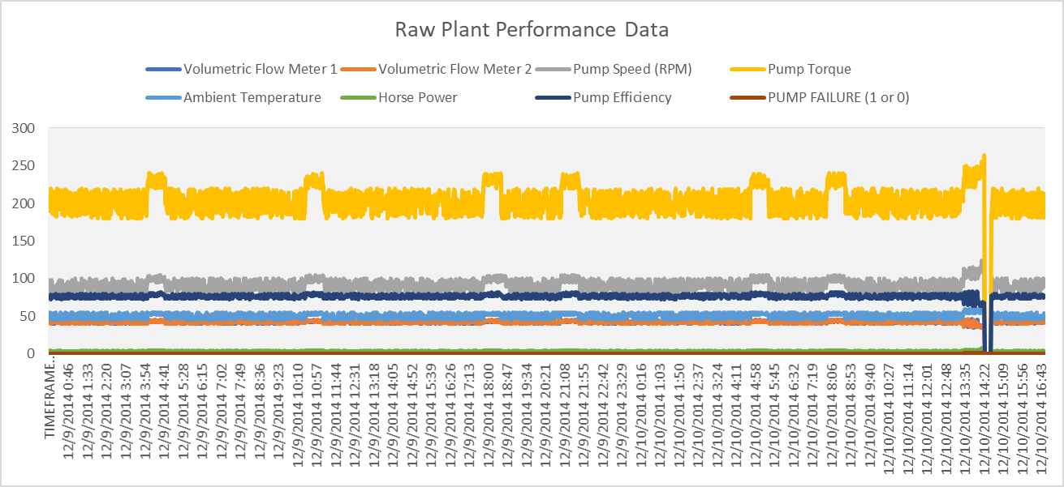

Looks like the performance of each system is tied together for the most part. A spike in one means a spike in all.

Looking at the data in this way, we can pick up a few abnormal events which seem to 'spike up'. However, these variables all have different units of measure and scale (I.e. Some numbers are in the low 10's, and others in the 100's.)
Let's create a Secondary Axes to help us better understand the view of the Horse Power and Pump Failure (1 or 0) variables.
The secondary axes essentially provides us with another Y-Axis that enables us to more easily view the data which is at a much smaller scale.
Q2. Just as you did in Q1, create a line plot for all the variable(s) in the Data Repository Table - Raw Tab. However, this time, ensure that the Horse Power Variable and the Pump Failure (1 or 0) Variable is plotted on the secondary axes.

What observations do you note when viewing the data in this way?
Note: If you're unsure of how to add a secondary axes, refer to the following link: https://support.microsoft.com/en-us/office/add-or-remove-a-secondary-axis-in-a-chart-in-excel-91da1e2f-5db1-41e9-8908-e1a2e14dd5a9
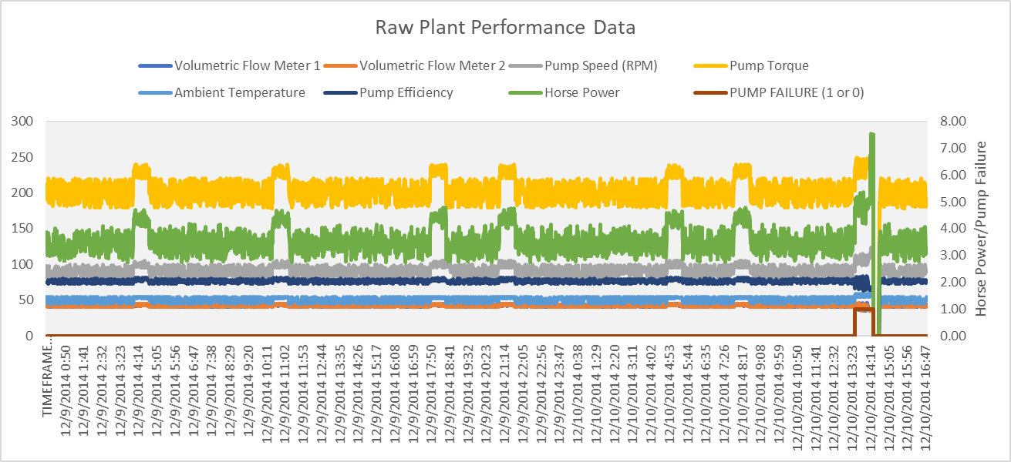

Looks like the huge dip in performance across all systems correlates with a pump failure, and huge spike in horse power post-failure

Now we've made some observations when looking at the time-series data which is currently recorded every minute.
As you might tell, the data does look a little noisy at times and we might want to smooth this out so we don't have to look at as much data, but still retain the overall trends.
This is where we are introduced to a technique known as 'Upsampling'. Upsampling means you wish to aggregate the data at a higher frequency (i.e. Instead of every 1 minute, we might want the data to be sampled every 5 minutes instead)

Now we're going to combine this with another technique known as a rolling mean / rolling standard deviation.
When dealing with time series data, if we want to remove some of the 'noisiness' of the data, we can apply a rolling mean or rolling standard deviation transformation.
Earlier we covered the Mean and the Standard Deviation. The mean let's us know what the average is with the Standard Deviation letting us know how much 'dispersion' we are seeing over a data series.
A rolling mean and rolling deviation is essentially a window function that enables us to better understand what the dispersion of the data looks like when some of the noise is removed.

Q3. Just as you did in Q1 and Q2, create two line plots for all the variables in the DRT Rolling Stdev and DRT Rolling Mean Tabs. Ensure that the Horse Power variable and Pump Failure (1 or 0) are plotted on a secondary-axis. Note down what observations/trends emerge when you look at the data in this manner - are there any trends that are more pronounced with the Rolling Mean / Rolling Stdev data?
Note: The data you need to plot the Rolling Mean is located in the DRT Rolling Mean Tab; Similarly, the Rolling Standard Deviation data is recorded in the DRT Rolling Stdev Tab.
Note: You may also want to set the Y-Axis to a Maximum of '10' so that the large deviations don't skew your view of the data. It may also help to make-use of a secondary axes for Pump Torque, Pump Speed and Horse Power which may exhibit large variations.
DRT Rolling Mean Plot
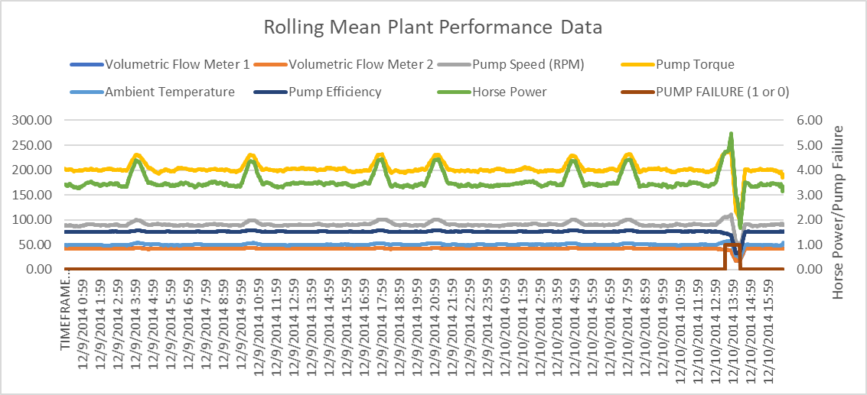

DRT Rolling Stdev Plot
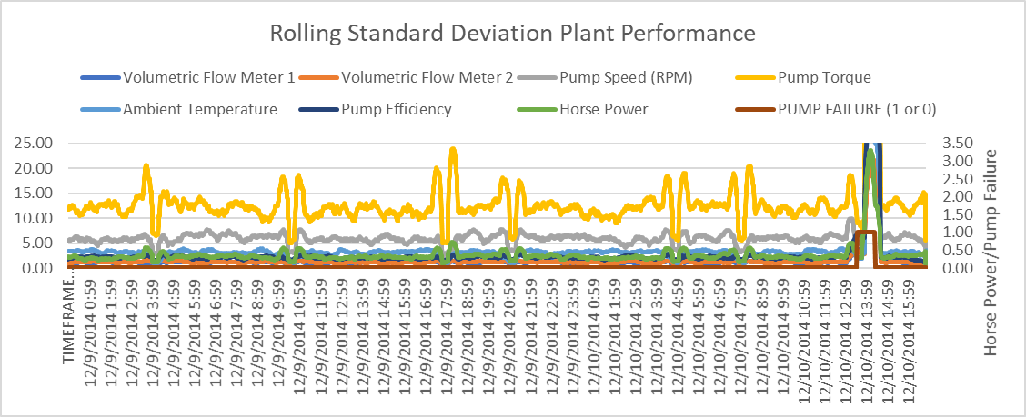

The mean graph gives us a more precise view into how much the performance of each system dips when the pump fails, with the greatest dips being in Pump Torque and Horse Power. Meanwhile the standard deviation graph shows us there's actually quite a lot of variation in Pump Torque performance around the times that it appears to spike in the other graphs.

Our previous analyses have enabled us to pick up some trend(s) that seem a little odd. We've noted in particular certain variables trending upwards in relation to a Failure.
We're now going to make use of one our descriptive analysis techniques known as Box Plots.
Box Plots are useful descriptive statistical tools that enable us to visualise the degree of dispersion that our variables in our time series have.
We've clearly observed some variance(s) being apparent in our time series with our earlier plots; We will now create two box plots below to see whether we can identify further pattern(s) with respect to the variance ranges and whether the Pump has failed or not.
Q4. Using the data in columns C through to I for each of the three (3) Data Repository Table - Raw, DRT Rolling Stdev and DRT Rolling Mean Tabs, create Two Box Plots. The first box plot will be filtered to contain the Pump Failure Data when Pump Failure is equal to 1 (The pump has failed). The second box plot will be filtered to contain the Pump Failure Data when Pump Failure is Equal to 0 (i.e. The Pump has not yet failed). You'll end up creating six (6) box plots, two for each dataset. Remember that when you change the Pump Failure Filter from 1 to 0, the Box Plots will automatically update so you will need to work out an approach to make sure the Box Plots retain either the Pump Failure = 1 or Pump Failure = 0 Data (Otherwise, your Box Plots may be skewed). What trends become apparent when viewing the data in this manner?
Note: If you're unsure of how to create a Box Plot, please reference the following: https://support.microsoft.com/en-us/office/create-a-box-and-whisker-chart-62f4219f-db4b-4754-aca8-4743f6190f0d
 | BoxPlot when Pump Failure = 0 | BoxPlot when Pump Failure = 1
 | Dataset: Raw | Dataset: Raw
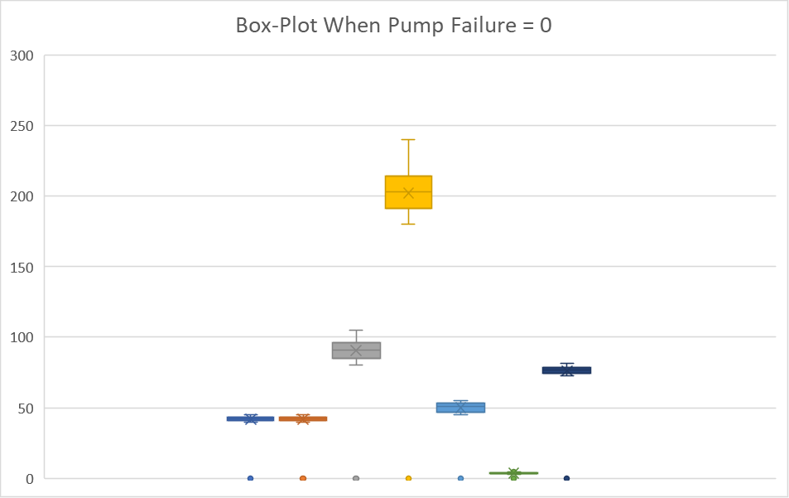
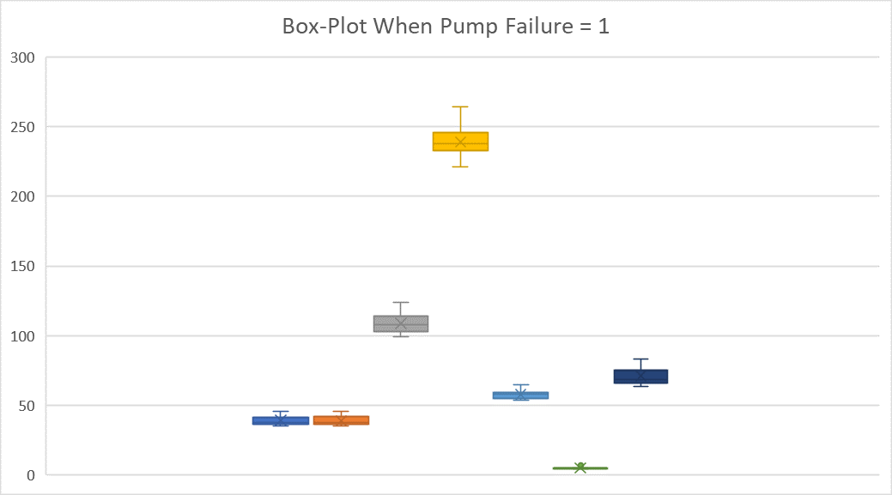

 | BoxPlot when Pump Failure = 0 | BoxPlot when Pump Failure = 1
 | Dataset: Rolling Mean (30 Minute) | Dataset: Rolling Mean (30 Minute)
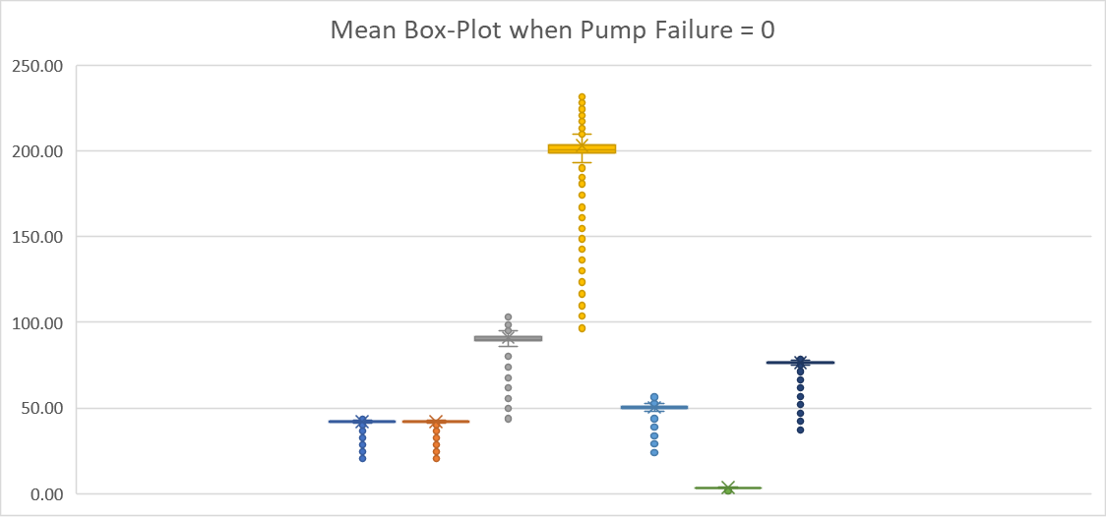
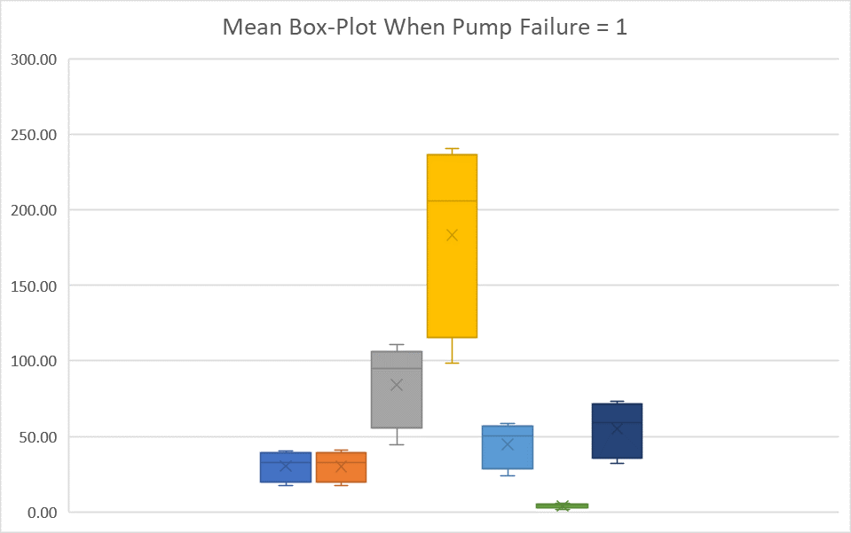

 | BoxPlot when Pump Failure = 0 | BoxPlot when Pump Failure = 1
 | Dataset: Rolling Stdev (30 Minute) | Dataset:Rolling Stdev (30 Minute)
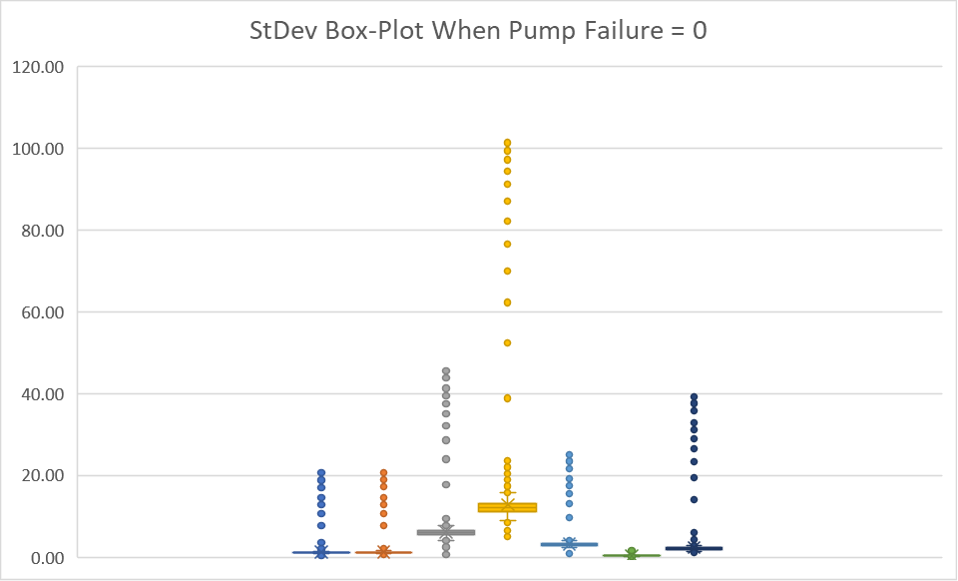
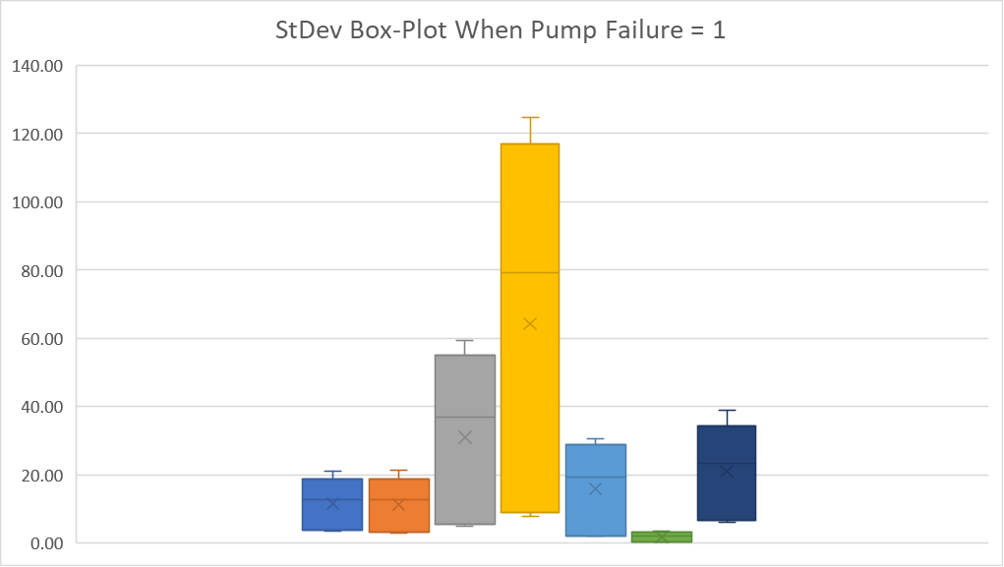

Box plots seem to suggest much greater variance in performance when the pumps are failing, as opposed to the non-failure performance which is more condensed but has lots of outliers most likely from post-failure performance, as we can see in the rolling mean/standard deviation plots. [Thanks for the email with your corrections, I didn't realize the first time I did this that the dots referred to outliers.]

Great job! We've reached the end of Part I of the Descriptive Statistics Case Study.
You've now identified a number of trends from your descriptive analysis you will explore with an inferential approach in Part II of the assignment.
Just because a variable looks like it may be related - this might not be the case. This is why we use Inferential Statistics to further back up our Descriptive Analysis.
Keep up the great work!

Inferential Statistics
...
Raw Data | Correlation Coefficient | Rolling Mean (30 Minute) | Correlation Coefficient | Rolling Stdev (30 Minute) | Correlation Coefficient
Horse Power | 0.42184407405 | Horse Power | 0.21805064054 | Horse Power | 0.69010189461
Pump Speed (RPM) | 0.26001606185 | Pump Speed (RPM) | -0.18415962171 | Volumetric Flow Meter 1 | 0.64488041603
Pump Torque | 0.23319270601 | Pump Torque | -0.21593744089 | Pump Efficiency | 0.64355468683
Ambient Temperature | 0.20794584017 | Ambient Temperature | -0.30261553526 | Volumetric Flow Meter 2 | 0.62592087058
Volumetric Flow Meter 1 | -0.10250831661 | Volumetric Flow Meter 1 | -0.6924251384 | Pump Speed (RPM) | 0.62455590762
Pump Efficiency | -0.10268435124 | Pump Efficiency | -0.69502783073 | Ambient Temperature | 0.60005043132
Volumetric Flow Meter 2 | -0.11211471984 | Volumetric Flow Meter 2 | -0.6977314163 | Pump Torque | 0.59726041395

Column Chart (Correlation Coefficient Pump Failure (1 or 0) - Raw Data |  | Column Chart (Correlation Coefficient Pump Failure (1 or 0) - Rolling Mean (30 Minute) Data |  | Column Chart (Correlation Coefficient Pump Failure (1 or 0) - Rolling Stdev (30 Minute) Data
PUMP FAILURE (1 or 0) Correlation Coefficient - Raw Data
PUMP FAILURE (1 or 0) Correlation Coefficient - Rolling Mean
PUMP FAILURE (1 or 0) Correlation Coefficient - Rolling Stdev

Looking at all three of our correlation heat-maps and associated correlation column plots, it is apparent that one of our three data-sets happens to show variables which are closely correlated with Pump Failure. (The Rolling Standard Deviation Dataset).
However, this doesn't mean that our other datasets and correlations are not informative.
The concept we are reinforcing here is that when looking at analysing time series data and events of interest, we should pay particularly strong attention towards variables which exhibit the largest degree of statistical variance.
Upon identification of those variables, we can create other variables out of this and use this together to help 'predict' our event of interest.
For example, we might note that a rapid increase in the Standard Deviation, seems to be a good indicator of failure.
We could then create a new variable which checks if the Standard Deviation Result is one Standard Deviation away from the mean - it is 'abnormal' and class this as a 1 or 0 via an IF Statement such as: IF (ValueX > (Standard Deviation Value + Mean), 1, 0) We won't do this in the case study, but this is an example of how you could create new variables out of your existing set of variables and add this to your regression if you're interested.
Now we want to help Southern Water Corp create a Linear Regressive Model to better predict Pump Failure. In this case, we now have a number of variables in our dataset that we have transformed (i.e. Rolling Mean & Rolling Standard Deviations). However, the Rolling Standard Deviation seems to exhibit the strongest variance related behaviours so we'll use the variables in this dataset for our regressive analysis. Q7. Using the Data Preparation Tab, create a multivariate linear regression. As you look at the Summary Output from the Linear Regression Model - what does the R Squared Value tell you about your model? What about the P-Value? If you're unsure of how to create a Linear Regression in Excel, please follow the tutorial here: https://www.ablebits.com/office-addins-blog/2018/08/01/linear-regression-analysis-excel/ Similar to what you had done with the correlation analysis in Q5, you just need to select 'Regression' from the Data Analysis Tab and put in the respective dependent and independent variables you wish to explore! In this question, we aren't asking you to produce any graphics but to test your understanding of what the R Squared and P-Values signify.
...
Q8. Create the Multivariate Regression Equation Values for each row using the Coefficients you have calculated in Q6. This will become the Statistical Alarm Signal that the Engineers will observe in the future. Place each co-efficient that you have calculated in the table titled 'Co-Efficients (Taken from the Summary Output Tab created when you calculate the Multivariate Regression)' in the Data Preparation Tab.
Subsequently plot out the Multivariate Equation Values you've calculated versus the Pump Failure as per the example image below. Add in the Horse Power and Pump Efficiency Variables from the DRT Rolling Stdev Tab and ensure that these two variables, alongside Pump Failure (1 or 0) is on the secondary axes.
What do you notice when you've completed your Multivariate Equation Plot?
Note: As a Data Analyst - it's up to you to choose the best way to visualise this information. We've left any further hints out as you should be comfortable enough to choose the appropriate graphics to illustrate your respective trends.

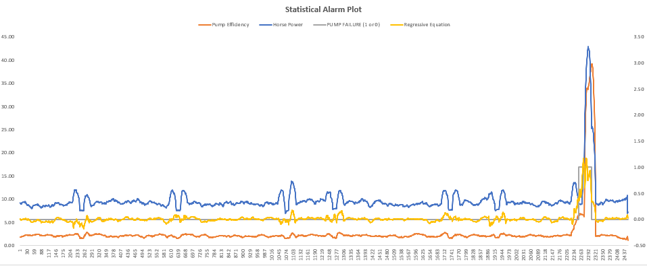
My plot is below, I moved the example plot over to the right for comparison.

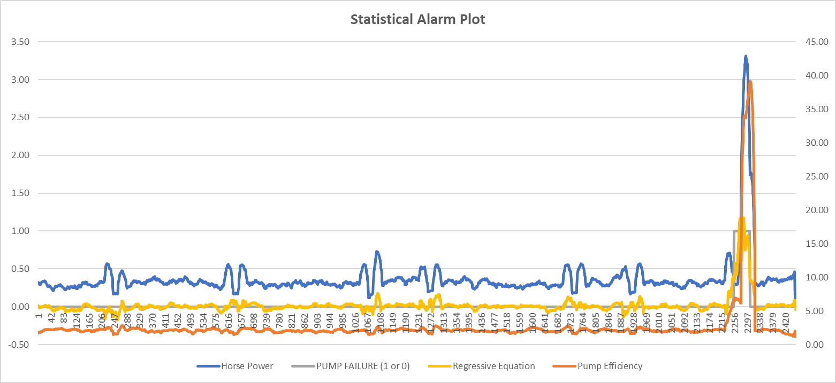

I'm guessing what this shows is that we can look for these specific Horse Power and Pump Efficiency values as the ones that will signal a Pump Failure? Same goes for the Regressive Equation; specific value indicates pump failure.

Well done! You've managed to create a Statistical Alarm that the Engineers can look at and use to identify potential Pump Failure for the Surjek Asset!

That's a wrap! We're now done!
Time for us to put our analysis into a presentation and showcase this back to the Management Team.
Let's close this case study out!

